Cover
Cover sheet

Cost adjustment claims feeder model
Objective
This workbook contains all the company's cost adjustment claims, our assessment of the claims and our adjustment decisions. Further detail on the approach is included in the document 'Securing cost efficiency – our approach for setting efficient cost baselines at the IAP'.
Guide to the model
F_inputs tab
Contains the relevant cost data for assessing the cost adjustment claims from the company's business plan tables. This data is reported from fountain, our data storage and reporting system
WSH-WN602001-WSH-VN601001
Each tab named 'XXX-xx', where XXX stands for the company's acronym and xx stands for the claim number, includes a short description of the claim, our assessment of the claim and our adjustment decision for the claim.
Summary tab
It includes a summary of all our adjustments, including the overall assessment result, allowance and an assessment of the quality of the claim submitted.

WSH-WN602001
Improving acceptability of water
The assessor
Assessor's name | PM
Date completed | 2018-11-12
Date of plenary meeting | 2018-11-19
Peer review (initials, date and QA log ref.) | SH - 21/01/2019

The claim
Description of claim | Improving Customer Acceptability of Drinking Water through a combination of strategies (Zonal studies and hydraulic modelling; Zonal study interventions; WTW manganese improvements; and Worst served customers, AoW )
Company | WSH
Control | water network plus
Claim identifier (number) | WSH-WN602001
Value of claim for AMP7 (£m) | 118.07
2020-21 | 26.36
2021-22 | 25.90
2022-23 | 24.36
2023-24 | 20.76
2024-25 | 20.69

Assessment result
Overall assessment result | Reject | The claim does not provide convincing evidence of different regional circumstances which impact on the company and would require an adjustment to our view of standard enhancement costs. We are therefore assessing this claim as a normal enhancement expenditure in the "taste, odour and colour" feeder model, where we are making an efficient allowance for it.
Allowed adjustment (£m) | -

IAP scoring
Assessment of overall quality for IAP scoring | Fail | No regional factor or new external factor evident compared to other companies in the west of the country with similar geographical issues, e.g. United Utilities, South West Water. Activities covered by base maintenance and "taste, colour and odour" enhancement allowance.

Implicit allowance. We have not calculated an implicit allowance, but our view is that the scope of the claim being acceptability of water is business as usual and is all covered in the base cost allowance.
Materiality
Implicit allowance - see box (£m)
Totex for control (£m) | 1,318
Materiality post implicit allowance (%) | 9.0%
Is the claim post implicit allowance material? | Yes

Assessment gates |  |  | References
Need for investment | Pass | The company has presented clear evidence that it is performing poorly compared to industry on this acceptability of water, AoW measure (WSH 2.79/1,000 vs industry UQ 0.77/1,000 customers) and that during AMP6 DWI issued related improvement notices for 32 of the 83 WQZ's. These have various completion dates (2020; 2021; 2022; 2025). | 5.8I PR19 IC Acceptability of Water Service Improvement 5.8I.3 DWI Notices WSH 5.8I.4 PR19:Acceptability of Drinking Water Cost-adjustment summary form WSH
Need for adjustment | Fail | We have not identified compelling evidence to support this claim due to the lack of unique operating circumstances beyond management control and regional differences, which would explain why it is more difficult or costly for the company to achieve a level of outcome commensurate with similar companies. This is supported by the commentary 'many of the other companies do not have the same operating conditions...', p43 PR19 Performance Commitments WSH identify that the causes include: raw water characteristics (typically soft and high levels of manganese); prevalence of unlined iron trunk mains; oversized mains due to decline of industry; network failures; third party use and large seasonal flow variations at coastal areas as being the root cause of AoW. These drivers are not unique to the company and appear similar in certain regions and more broadly experienced across the industry. | Defra Water Hardness map 2009 Ofwat analysis of water resource classifications and potable mains by age 5.2 PR19 Performance commitments WSH, p42
Management control | Fail | We consider that the causes of AoW issues are within the control of the company or are not unique to it alone. Allowances have been made in the past for renovating company networks and addressing customer acceptability issues under the normal enhancement lines. | 5.8I PR19 IC Acceptability of Water Service Improvement Defra Water Hardness map 2009 Ofwat analysis of water resource classifications and potable mains by age
Best option for customers | Partial pass | We consider that the Zonal Study approach and four-step asset management process is appropriate and suitable. We also consider that the high level options appraisal process and preferred option 4 'Integrated intervention programme with enhancement' appears appropriate. We do note that whilst customers have a negative reaction to the thought of discoloured water and many wouldn't drink it, there appears little interest in further improvements in performance targets. 82% of respondents from the workshops voted to keep performance at current levels. The company CBA undertaken also supports a level of performance in the range of 2.0-2.4 contact per 1000 population, well above the industry standard. | 5.8I PR19 IC Acceptability of Water Service Improvement 5.2 PR19 Performance commitments WSH, p42
Robustness and efficiency of costs | Partial pass | We have identified extensive and comprehensive supporting detail concerning the work streams to deliver the preferred option and that the proposed cost adjustment claim has been subject to £15.1m of post efficiency challenge. We also note that the company are looking to exploit further efficiency savings through ongoing innovation projects. We do note that no third party assurance of the cost adjustment claim appears available. | 5.8I PR19 IC Acceptability of Water Service Improvement 5.8I.1 Zonal Studies methodology WSH 5.8I.2 Zonal Studies Cost Benefit Process WSH
Customer protection | Pass | We have identified AoW measure of success forecasts are 2.4/1,000 pop served for end of AMP6 and 2.0 for end of AMP7. This performance commitment is being taken further into AMP7 with a slight change in definition by eliminating private customers which they state is not in their control. We have identified that an acceptability of drinking water financial ODI (with out and underperformance payments, £13m) will be in place for AMP7. | 5.8I PR19 IC Acceptability of Water Service Improvement 5.2 PR19 Performance commitments WSH, p41 5.5 PR19 Outcome Delivery Incentives WSH
Affordability | N/A
Board assurance | Partial pass | We have identified that various governance groups are in operation; monthly Zonal Studies Steering Group chaired by the MD of Water Services; monthly Acceptability of Water performance chaired by Head of Distribution; reported 6 monthly improvements to Quality and Environment Committee checking against Strategic Objectives, and that we consider this to be appropriate. There is however, insufficient evidence to confirm, as the submission states 'The board will carry out a final review of this investment in detail prior to the submission of the business plan in September', if this action was undertaken prior to submission. | 5.8I PR19:Acceptability of Water Service Improvement, p24

Supporting charts
Ofwat Water Resource classifications 2018
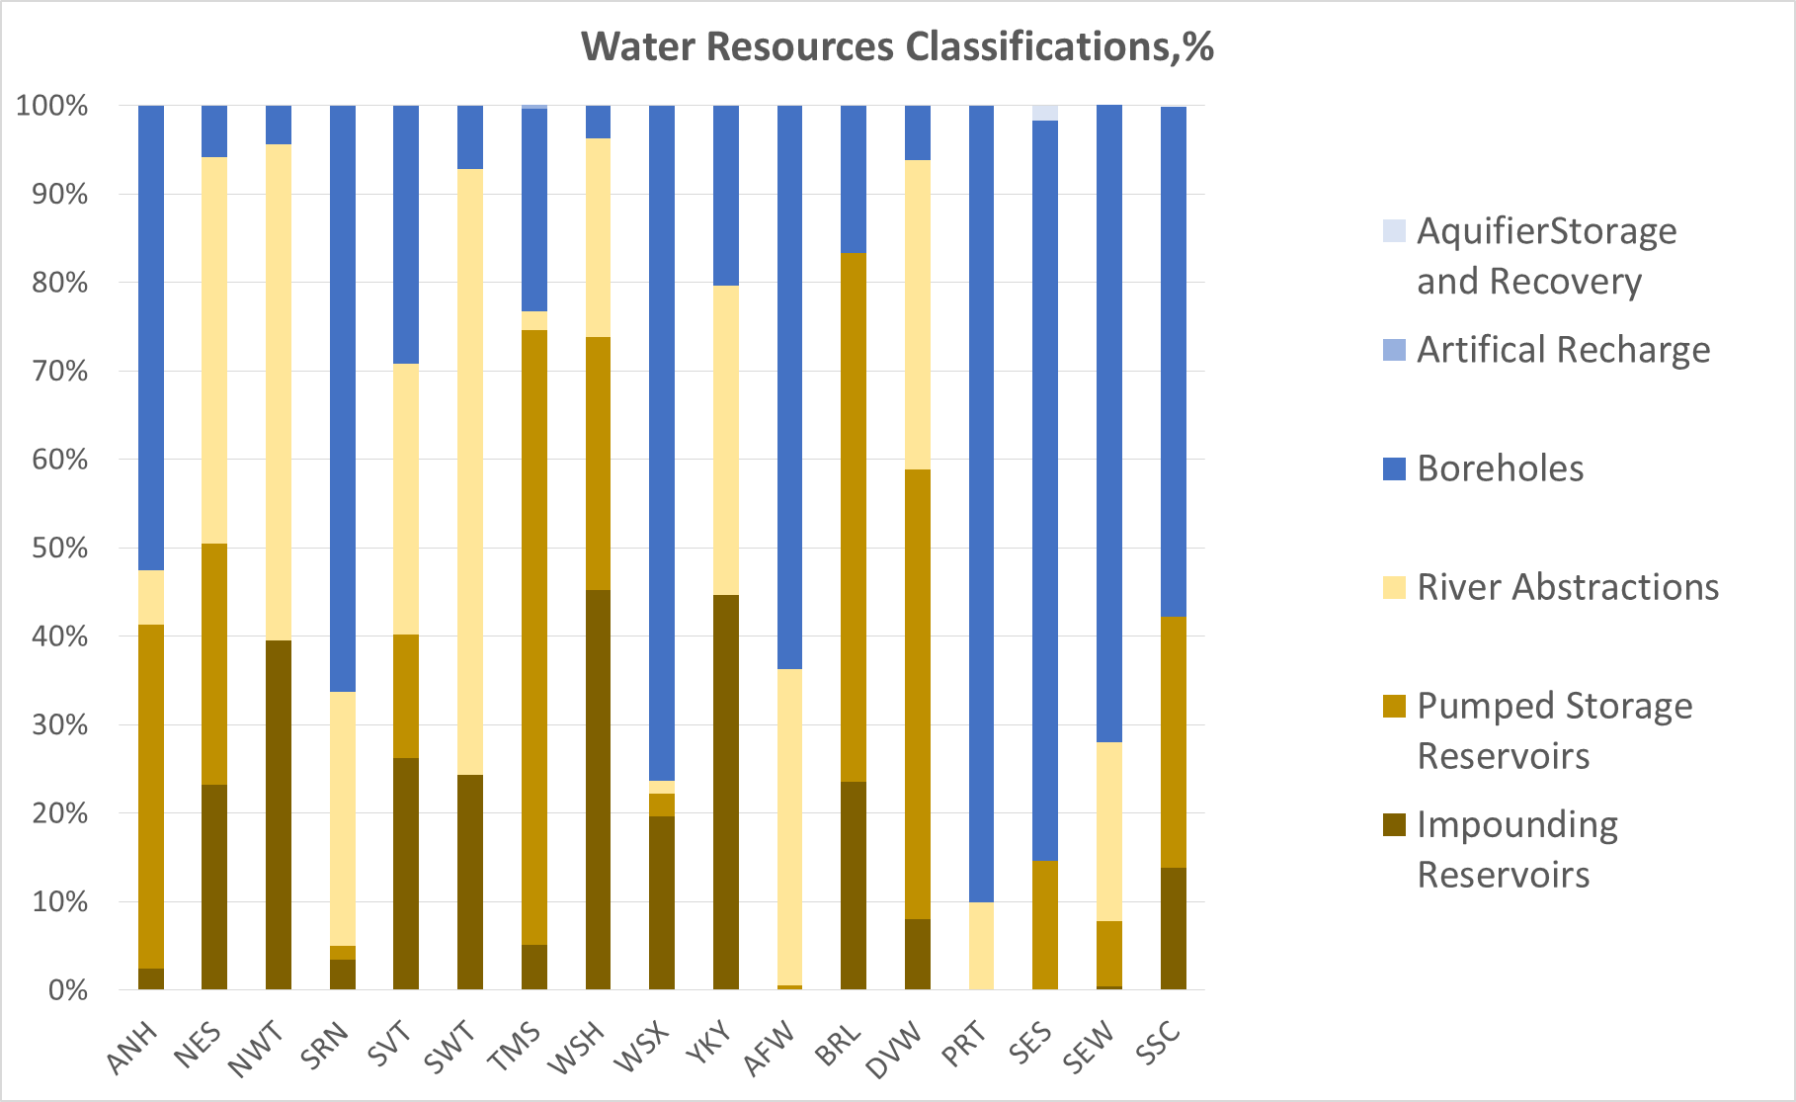
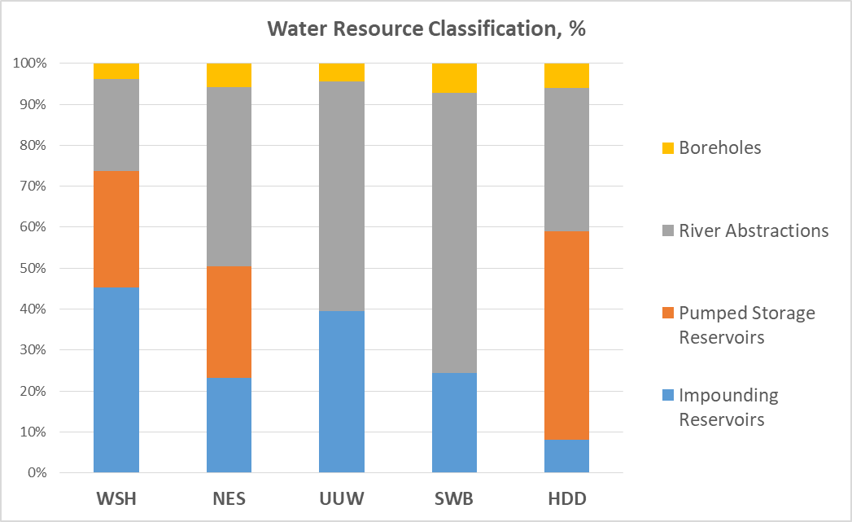

WSH Acceptability of Drinking Water

WSH-WR801001
Reservoir Safety
The assessor
Assessor's name | FC
Date completed | 2018-11-02
Date of plenary meeting | 2018-11-19
Peer review (initials, date and QA log ref.) | SH - 15/01/2019

The claim
Description of claim | The company is claiming for additional costs to improve the safety of its reservoirs. The claim is partially driven by legal obligations and partly by a risk assessment to current industry standards. Amendments to the Reservoirs Act 1975, introduced by the Flood and Water Management Act 2010, have increased the safety standards required and also the number of reservoirs classified under the Act. Natural Resources Wales (NRW) is enacting the statutory changes quicker than Defra. Remedial measures are focussed on pipework, valve and spillway upgrades. The programme of works proposed for AMP7 will involve construction at 21 reservoirs. Further works of similar scale are expected in AMP8 and AMP9.
Company | WSH
Control | Water resources
Claim identifier (number) | WSH-WR801001
Value of claim for AMP7 (£m) | 79.008 | The enhancement line (WS2) reflects £69.5m, but the claim value is £79m. We have not been able to account for the additional £9.5m.
2020-21 | 11.447
2021-22 | 19.929
2022-23 | 18.655
2023-24 | 17.341
2024-25 | 11.636

Assessment result
Overall assessment result | Partial accept | There is insufficient evidence of need for the full adjustment generally around the scale of the programme and whether its delivery is the best option for customers. The company has presented some evidence to support the chosen and more expensive implementation plan over three AMPs but has not demonstrated efficient unit costs. The company also presents conflicting amounts for the claim (£79m in Wr8 but £69.5m in WS2). We have taken an interim view that the claim value is £69.5m and then made a 40% reduction on that value of the claim on the basis of insufficient evidence of best option for customers and robustness of costs.
Allowed adjustment (£m) | 41.698

IAP scoring
Assessment of overall quality for IAP scoring | Partial pass | The claim raises concerns regarding the Need for adjustment, Best option for customers and Robustness and efficiency of costs. Of the 131 reservoirs cited in the claim, 83 of these are currently designated ‘High Risk’ by the NRW within the Flood and Water Management Act 2010 definition, and the remainder are awaiting designation. It is however expected that the majority of the reservoirs will be High Risk and it is also possible that some reservoirs will be subject to the requirements of both reservoir safety legislation and habitats directives. At present the company has not made it clear when the final risk designations will be made by the NRW. Although the company has stated the proposed types of capital works and levels of statutory inspections for the reservoir sites, but presents insufficient details of options selection at solution level, including cost benefit analysis and external assurance. The company states that Mott MacDonald has provided benchmarking of unit costs for the business plan, but that reservoir unit costs are atypical and warrant special consideration. To this end the company states that it procured Chandler KBS to complete a benchmarking exercise of the costs of the reservoir schemes to industry averages, but presents no evidence of this. We have scored this a Partial pass in the absence of details around risk classification of the reservoirs under the Act, as well as limited evidence of optioneering and cost efficiency. Furthermore, the cost adjustment claim enhancement line specifies £69.5m whilst the claim document states that the claim value is £79m. The company should clarify the discrepancy. | 3.6 PR19 Costs efficiency, benchmarking and recovery WSH 5.8B PR19 IC Reservoir Safety WSH 5.8B.3 Dam Safety & Reservoirs - Cost Modelling WSH

Implicit allowance
Implicit allowance not calculated
Materiality
Implicit allowance - (£m)
Totex for control (£m) | 320
Materiality post implicit allowance (%) | 24.7%
Is the claim post implicit allowance material? | Yes

Assessment gates |  |  | References
Need for investment | Pass | The company has a large number of dams/reservoirs, and storage reservoirs make up about 75% of its raw water sources, which we consider to be a significant proportion of its sources. The key drivers for the proposed investment are statutory obligations (reservoir safety and environmental), as well as portfolio risk management (PRA) by the company, in line with current frontier industry practice which it states is supported by Defra. Key points raised by the company include: • "The key findings of the PRA are that 81% of our reservoirs are likely to cause significant loss of life if they failed, with a median value of 13 and maximum of 102,000 lives lost if the worst did happen." (Cost claim, p8); • There may be an increased population living downstream of reservoirs that are at risk of flooding in the event of a reservoir failure; • Some of the reservoirs are of advanced age, and whose forms of construction present a relatively high risk of failure and with peculiar maintenance requirements; • Amendments to the Reservoirs Act 1975, introduced by the Flood and Water Management Act 2010, have increased the safety standards required and number of reservoirs classified under the Act; • The implementation of these changes is being delivered more quickly in Wales than in England, which has increased the number of the company's reservoirs falling under the 1975 Act (by 52% to 131) by 2025; • "Good practice guidance relating to the management of flood risk at reservoirs (Floods and Reservoirs 4th Edition, 2015) and relating to drawdown in an emergency (Guide to drawdown capacity for reservoir safety and emergency planning, 2017) have been introduced. These guidance documents will lead to the need to upsize spillways, raise dam crests and upgrade pipes and valves at our reservoir sites." (Cost claim, p8); • Compliance with regulation of river flows under Section 20 of the Water Resources Act requires modification of existing flow control systems at some of the reservoirs. T | 5.8B PR19 IC Reservoir Safety WSH 5.8B.1 Portfolio Risk Assessment (PRA) Summary WSH
Need for adjustment | Partial pass | • The company claims that Ofwat’s proposed econometric models currently do not reflect the disproportionately large asset stock or inherent risk level due to age and dam design. We consider that there is merit in the argument, given that none of the companies used to create Ofwat’s models had the requirement brought about by the legislative changes during the time series period (2011/12-17/18). • The company claims that Ofwat models take into account only those storage reservoirs which feed directly into water treatment works. It states that at the end of AMP6 there will be 137 structures across 131 reservoir sites, and of these, only 38 directly feed a water treatment works. • We however observe that only 83 of these reservoirs are currently designated ‘High Risk’ by the NRW, with the remainder awaiting designation, such that not all reservoirs may be subject to the more significant safety standards, resulting in a lower scale of potential adjustment. | 5.8B PR19 IC Reservoir Safety WSH 5.8B.1 Portfolio Risk Assessment (PRA) Summary WSH
Management control | Not assessed | Not assessed due to regulatory drivers. | N/A
Best option for customers | Fail | • We note from the Portfolio Risk Assessment (PRA) document that at the end of AMP7 the company intends to have all its reservoirs derisked from the very high risk range (annual probability of failure >=1 in 1000), and intolerable risk range overall. The benefits identified for customers are adequate protection from reservoir failure and improved availability of water and drought resilience. Typical historical base maintenance on reservoir safety by the company is £50m. Options considered by the company are: 1. Retain current levels of investment and approach (£50 million in AMP7). Reactive approach; 2. Deliver increased levels of investment over AMP7 (£160m) and AMP8 (£160m). Proactive approach but with associated bill impact; and 3. Deliver increased levels of investment over AMP7 (£116.5m), AMP8 (£130m) and AMP9 (£101). The company describes selecting Option 3 on the basis of reduced risk of supply interruptions during the implementation of the works and minimising bill impact on customers. The company does not explain why Option 3 costs (especially AMP7 and AMP8) are higher than those of Option 2. It cites inefficiencies of carrying out a compressed programme of supply engagement but does not explain why economies of scale do not apply if it were carry out the works quicker. Our observations are that: • The company appears to have carried out an optioneering exercise in terms of the phasing of the proposed investments, but provide insufficient evidence of external assurance; • The types of works at each reservoir have been identified through the externally sourced PRA exercise, however, there is insufficient evidence of optioneering. The company includes a general document on its investment process in business the plan, but no details of cost benefit analysis have been referenced by the company or found otherwise. Further, we consider that the company has presented limited assessment of the wider resilience options for the water resources system. For instance it | 5.1 PR19 Investment Planning WSH 5.8B PR19 IC Reservoir Safety WSH 5.8B.2 Schedule of works anticipated for AMP7 WSH
Robustness and efficiency of costs | Partial pass | AMP7 costs for this investment are split between Capex, Legislative & Good Practice Guidance Change, Compensatory Flow Enhancement and Portfolio Risk Assessment. The company states that, "Of the £116 (pre-efficiency) million we are proposing for AMP7, we are requesting a cost adjustment of £86million (pre-efficiency). This relates to expenditure of: • £47.5m of reservoir upgrades due to regulatory change and changes to good practice; • £28.9m for the accelerated expenditure for reservoir upgrades related to the Portfolio Risk Assessment; and • £9.7m of improvements to provide enhancements to compensatory flows Once we have applied our efficiency challenge the cost adjustment claim is valued at £79m." (Cost claim, p5). The company states that the costs of statutory inspections are well understood and are based on historical costs, which we consider to be a reasonable approach. The company states that "We have used information from recently completed works in AMP5 and AMP6 to inform the cost estimates that underpin this investment case... We have also procured Chandler KBS to complete a benchmarking exercise of the costs of the reservoir schemes to industry averages" (Cost claim, p19 and p21). It also states that “Mott MacDonald (MM) were commissioned by Welsh Water to provide assurance on the construction costs used in our PR19 investment programme. MM compared costs from our Unit Cost Database (which captures our costs of delivering past projects) to other water companies’ cost information. MM concluded that Welsh Water’s unit costs were aligned to the MM dataset of industry costs.” (Appendix 3.6, p14). The document does however not discuss dams and reservoirs as such and we have found no direct actual evidence (reports, letters of assurance etc.) of third party assurance of the costs and the efficiency challenge by the company. Further, the company states that “In this document, we have set out in detail how we propose to achieve the cost efficiency targets reflect | 3.6 PR19 Costs efficiency, benchmarking and recovery WSH 5.8B PR19 IC Reservoir Safety WSH 5.8B.3 Dam Safety & Reservoirs - Cost Modelling WSH
Customer protection | Partial pass | “Our proposed measure of success and Outcome Delivery Incentive (ODI) will provide a regulatory assurance to ensure we realise the planned outcomes.” (Business case, p19). The CAC is linked to a to a bespoke performance commitment and a two-sided ODI, which comprises reservoir safety as well as other metrics such as SEMD and Access to give an aggregated % score. We consider that this provides partial customer protection, and there is insufficient evidence that the underperformance payments are commensurate with the scale of the proposed investment. | 5.8B PR19 IC Reservoir Safety WSH
Affordability | Partial pass | The company states that "The decision has been taken to reduce the risk posed to public safety and to protect some of our most critical water supply assets. We hope to balance this need for additional investment with the affordability of customer bills by proposing a delivery timeline that has been carefully considered to make sure that the bill impact will not be felt acutely by our customers.", p19. Whilst the company's multi-AMP approach to the investment appears to support affordability, we find insufficient explanation for the associated increase in costs. | 5.8B PR19 IC Reservoir Safety WSH
Board assurance | Partial pass | The company states that "Our annual Dam Safety report is reviewed by our Board annually and the PRA methodology was reviewed in January 2018. The findings of the PRA informed our decision to increase PR19 investment in our reservoirs.", p21. We do not consider that this is a conclusive statement that the Board has approved or has been involved in driving all elements of the investment proposals, but suggests that the investment proposals are robust and deliverable. | 5.8B PR19 IC Reservoir Safety WSH

WSH-WN601001
Cwm Taf Water Supply Strategy
The assessor
Assessor's name | JN
Date of plenary meeting | 2018-11-19
Peer review (initials, date and QA log ref.) | SH - 18/01/2019

The claim
Description of claim | The proposal is to replace 3 old WTW in South Wales with a single WTW near Merthyr Tydfil in the Cwm Taff service area. New Merthyr WTW currently proposed to have 225Ml/d capacity (Cwm Taf Water Supply Strategy WN_001 Appendix A - Strategy Review). The company is seeking £75m totex in AMP7 to cover feasibility studies, project development, design and construction of both treatment, storage and network assets. A further £125m capex would be sought in AMP8.
Company | WSH
Control | water network plus
Claim identifier (number) | WSH-WN601001
Value of claim for AMP7 (£m) | 74.996 | The cost adjustment form has total capex for claim = £72.96m, and totex = £76.6m (5.8E.5 Cwm Taf Cost adjustment WSH)
2020-21 | 7.562
2021-22 | 7.221
2022-23 | 16.714
2023-24 | 17.359
2024-25 | 26.140

Assessment result
Overall assessment result | Partial accept | Evidence was not fully persuasive and no account for maintenance implicit allowance was put forward by the company. However, we see the need to invest but not for the size of the proposed storage reservoir. Our estimates suggest that the cost for a 1/3 sized reservoir would be around 37% of the cost for the full sized one. A 63% reduction on £42m (for reservoir) would be £26.5m. We also consider a saving in base maintence will be achieved which has been calculated by using the proportion of deployable output that the new works capacity provides applied to the proposed average Maintaining the long term capability of the assets - non-infra spend of the company. This means our allowance for this scheme is £75-29.6-26.5 = £18.9m.
Allowed adjustment (£m) | 18.933

IAP scoring
Assessment of overall quality for IAP scoring | Partial pass | The evidence was not fully persuasive that the proposed solution represents the best value in the long term for the following reasons. • Lack of justification for treated storage size - 8 hours would be more typical, • No DWI enforcement driver - but there is DWI support for implementation by 2030. (Note: Colour and MIB at or approaching thresholds, GEOSIM threshold hit in 2030). • Cost benefit (company reports that 3 WTW replacement project has a payback within 27 years and a 11% (£42m) NPV saving over 40 years compared to continued maintenance of existing 3 WTW)

Implicit allowance
None calculated by models although maintenance savings have been considered (see overall assessment result above)
Materiality
Implicit allowance - see box (£m)
Totex for control (£m) | 1,237
Materiality post implicit allowance (%) | 6.1%
Is the claim post implicit allowance material? | Yes

Assessment gates |  |  | References
Need for investment | Partial pass | The company proposes to construct a new WTW to replace three existing ones and provide greater resilience against water quality issues and interruptions to supply. Current proposal based on high level feasibility study. Impact assessments, planning applications and a detailed feasibility study are planned for 2020. The current proposal does not show a clear incremental improvement in the following areas for the preferred option, • Capacity, (no additional capacity will be required in immediate area, hence new WTW has same total capacity as existing 3) • Cost benefit (Company reports that 3 WTW replacement project has a payback within 27 years and a 11% (£42m) NPV saving over 40 years compared to continued maintenance of existing 3 WTW). The company states that the proposed WTW would improve resilience in the SEWCUS area compared to the existing situation due to the improved ability to undertake maintenance and treat deteriorating water quality (improved processes/ability to treat variable raw water quality, additional treatment and storage capacity). Insufficient evidence is provided to demonstrate the magnitude of the improvement hence the stated case for the resilience was weak and inconclusive. The company does identify that it will address the water quality issue but the cost to address this by itself seems excessive, and made higher by the large storage provided. On water quality, it has mentioned that there are water quality issues that require the upgrade but the 2 DWI enforcement notices do not have any actions that require a closure of the existing facilities or upgrades in the medium-long term. DWI has issued a letter of support that states, DWI "intends to issue a Notice under Regulation 29(4) of the Water Supply (Water Quality) Regulations 2010 as amended, that requires the Company to mitigate the risk of taste and odour causing compounds that has been identified as a potential danger to human health from the water supplied from Ponsticill, Llwyn On | 5.8E; PR19: Cost adjustment claim: Cwm Taf Water Supply Strategy, Sections 1 & 2
Need for adjustment | Partial pass | The company considers the claim is not covered by cost baselines as it is "a significant up-lift on historic spend so will not be within the data used to develop the cost models". The cost claim is partly, but not fully, covered in the modelled baseline (see assessment above). | 5.8E; Cwm Taf Water Supply Strategy, pages 2 & 3
Management control | Partial pass | The company states that "The driver for the investment is a combination of new legislation and best practice guidance, which is outside management control, and improved risk assessment practice." Raw water quality deterioration and related climate change impacts (e.g. increased landslips) are outside management control. The 2 DWI enforcement notices do not have any actions that require a closure of the existing facilities or upgrades in the medium-long term. However, DWI has written letter of support for new WTW by 2030. | 5.8E; Cwm Taf Water Supply Strategy, Sections 3 & 4
Best option for customers | Partial pass | The proposal was included within the Welsh Water 2050 Strategic Response 3 (SR3) Improving the reliability of drinking water supply systems. During the consultation for Welsh Water 2050, customers reported to rank 'providing enough clean water to all' and 'protecting our key assets from future impacts', as the most important aspects of future plans, followed by 'providing reliability of supply and water quality'. WSH also reported 'customers consider a continuous supply of water to be critically important, especially for vulnerable customers and business' and 'water with poor taste or smell is a key issue' for customers. However, at the Welsh Water 2050 workshop, SR3 was only ranked 9th out of 14 SRs. There is no specific CCG assurance at this stage on this project. The company has put forward a limited range of options for the investment case (do nothing, maintain only, replacing 3 or 5 existing WTW, different levels of treatment provision). A further option of replacing 8 WTW was ruled out on cost benefit grounds at an early stage in the assessment. Analysis includes whole life costing. Black and Veatch (BV) was appointed by the company in Sept 2017 (to April 2018) to undertake "a comprehensive review" of the Cwm Taf Water Supply Strategy to confirm the scope and cost for both scenarios, to construct a new WTW and to maintain the existing the 3 and 5 WTWs (review report, Sept 2018). The scope review included treatment process and treated water storage requirements. WSH reports that the outcome of the BV review indicates the following: - The proposed capacity of 225 Ml/d output was a reasonable basis for further assessment but it may be possible to increase or decrease the 225Ml/d figure prior to final design. - A new WTW to replace 3 existing WTWs is the most cost beneficial solution. - BV does not comment on whether the proposed treatment volume is reasonable (160 Ml capacity, 26 hour storage at the 95%ile deployable output from the existing 3 WTWs). Pote | 5.8E; Cwm Taf Water Supply Strategy, Section 1 – Delivering Customer Outcomes Section 3 – Options Section 4 – Preferred Option 5.8E.1 Cwm Taf Water Supply Strategy ReviewWSH, Page 24, costs of 160 Ml reservoir.
Robustness and efficiency of costs | Partial pass | The cost estimates are based on the following: a. Capex using the company's UCD to extrapolate existing data and as such should be considered as reasonable for a feasibility stage but not sufficiently robust for a decision making stage. It appointed BV in Sept 2017 (to April 2018) to review cost including a challenge of the UCD costs. BV has also used UCD data from its other projects for other Water companies. There has been a 20% efficiency improvements included in the final costs but there was no evidence of the reasons for this. b. The company reports that opex costs have been based on existing data from similar sized WTW. The 40 year opex for the new WTW was calculated using the cost data for existing sites; chemicals, power, sludge and operator costs from Felindre WTW which has a capacity of 240Ml/d and an average output of 150Ml/d. WSH does not state whether Felindre WTW has similar treatment processes. Also, would be better to have data from more than one site or from a process model for the proposed site. | 5.8E.1; Cwm Taf Water Supply Strategy Review, Sept 2017 to April 2018, (September 2018, by B&V) 5.8E; Cwm Taf Water Supply Strategy, Section 8 – Assurance
Customer protection | Partial pass | The company states that "We have developed a measure of success and associated ODI in relation to some of this investment. Additional to this we will commit to returning the money to customers if the programme does not progress." The project is still in its early phase and as such the risk mitigation and customer protection elements have yet to be fully defined. The evidence is not compelling that this is scheme is fully supported by customers. • There is evidence that customers support the overall strategy laid out by it to “reduce interruptions to supply, improve resilience and remove regular water quality, taste and odour issues across our supply area”. • It has said cost “is not significant enough to materially impact bills” but will be conducting additional research in summer 2018. Evidence of additional research does not appear to have been provided. • The CCG has seen this project as part of the Welsh Water 2050 but this was detailed as a single descriptive paragraph. | 5.8E; Cwm Taf Water Supply Strategy, Section 7 – Delivery
Affordability | Fail | The company states that "We are currently completing our customer research regarding the overall size of our plan and its impact on bills. In general customers seem comfortable with the plan that is being proposed." There was no real impact assessment provided on the affordability of this scheme to either the company or customers. There is no evidence that it had calculated the impact on customer bills for this project. The only argument put forward by DCWW is the statement that “Due to our unique customer ownership model, the cost savings accrued will be passed on to our customers through affordable bills and customer dividends.” | 5.8E; Cwm Taf Water Supply Strategy, Section 6 – Value for Money and Affordability
Board assurance | Pass | It states that "As with all of our investment programme, this proposed investment has been subjected to scrutiny by the Board, with regard to need, options and value for money." A detailed feasibility stage is planned to be undertaken in AMP7 and additional assurance would be undertaken at that stage. | 5.8E; Cwm Taf Water Supply Strategy, Section 8 - Assurance

