Cover
Cover sheet

Cost adjustment claims feeder model
Objective
This workbook contains all the company's cost adjustment claims, our assessment of the claims and our adjustment decisions. An overview of the approach is included in the document 'Securing cost efficiency – our approach for setting efficient cost baselines at the slow track draft determinations '.
Guide to the model
F_inputs tab
Contains the relevant cost data for assessing the cost adjustment claims from the company's business plan tables. This data is reported from Fountain, our data storage and reporting system.
XX-yyy (individual claim) tabs
Each tab named XX_yyy is the assessment of one claim where XX denotes the price control the claim relates to and yyy is a short description of the claim, includes a brief summary of the claim, our assessment of the claim, our adjustment allowance for the claim and identifies where the adjustment allowance is incorporated into base and enhancement cost modelling.
Summary tab
It includes a summary of all our adjustments, including the overall assessment result, our adjustment allowance and where the adjustment allowance is incorporated into base and enhancement costs. Adjustments to base allowances feed in to the final allowance sheet of models FM_WW4, FM_WWW4 and FM_RR4 as appropriate. Adjustments related to enhancement costs feed in to the appropriate enhancement feeder models and are included in within the appropriate company's deep dive assessment sheet. The overall enhancement allowance then feeds through to FM_WW4 and FM_WWW4 through the enhancement aggregator.

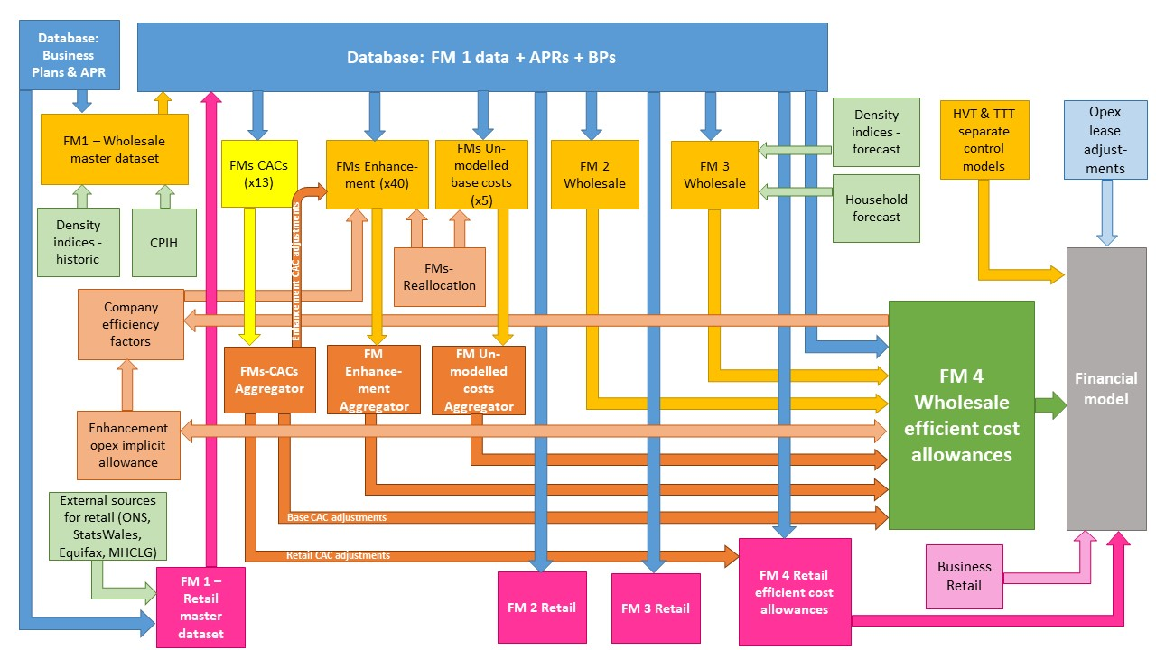

The diagram above is a simplified process model to indicate the relationship between the various feeder models and data sources we use to assess wholesale and retail expenditure cost efficiency models. We provide a detailed process map in ‘PR19 price setting models map - slow track draft determinations’.

Model presented in the current file

Key:
FM = Feeder model
CAC = Cost adjustment claim
CPIH = Consumer Prices Index including owner occupiers’ housing costs
ONS = Office for National Statistics
MHCLG = Ministry of Housing, Communities and Local Government
HVT = Havant Thicket
TTT = Thames Tideway

RR_bill size
Bill size (residential retail)
The assessor
Assessor's name | GR
Date of plenary meeting | 2019-05-16
Peer review (initials, date and QA log ref.) | AC 28/06/2019

The claim
Description of claim | Portsmouth Water claims to be penalised by our retail econometric models for having the lowest bill in the industry. While not disputing the use of average bill size as a variable in our retail models, the company argues that bill size in our bad debt models has an adverse impact on their revenue allowance, because this approach is unlikely to capture the effect of the extremely low bill level for Portsmouth due to the high heterogeneity of the variable.
Company | PRT
Control | Residential retail
Claim identifier (number) | PRT-R201001
Value of claim for AMP7 (£m) | 1.020

Assessment result
Overall assessment result | Reject | The cost claim has been rejected because of the following reasons: 1. The value of the claim was estimated adding a square term for bill size to the bad debt models to relax the assumption of linear relationship between bad debt costs and bill size. While we acknowledge that Portsmouth has the lowest bill in the industry, the data does not provide a clear intuition as to why the quadratic relationship would be the appropriate way of accounting for this; 2. It is not clear how the final value of the claim was calculated. The analysis in the claim replicated the Ofwat IAP models with inclusion of the squared term for bill size, and estimated that on a forward-looking basis the adjustment for Portsmouth would be of £0.6m, which is not material. The value claimed is £1.02m, without a clear explanation of how this was calculated; 3. We tested the bad debt and total cost models excluding Portsmouth Water from the historical data used to generate the model coefficients. We found that the models give a greater allowance to Portsmouth Water when the company is included in the historical data set compared to the allowance the models give when the company is excluded from the data.
Allowed adjustment (£m) | -
Base (£m) | -
Enhancement Line 1 (£m)
Enhancement Line 2 (£m)
Enhancement Line 3 (£m)
Check | TRUE

Implicit allowance - No implicit allowance is identified
Materiality
Implicit allowance - see box (£m)
Totex for control (£m) | 23.465
Materiality post implicit allowance (%) | 4.3%
Is the claim post implicit allowance material? | Yes

Assessment gates |  |  | References
Need for investment | N/A
Need for adjustment | Partial pass | Portsmouth Water has the lowest bill size in the industry, significantly below the average of the industry. Oxera (2019) notes that Portsmouth is at the origin of the spectrum of average bill size and the variable may not capture Portsmouth appropriately when used as a driver in bad debt and total cost models. To account for this distortion, Oxera (2019) tested the inclusion of a quadratic term for average bill size in bad debt models and found that this would give Portsmouth an additional allowance of £0.6m on a forward-looking basis. However, it not clear why a quadratic term would be the appropriate relationship to account for this distortion. There is no intuition for the quadratic term from the data pattern. We further tested the bad debt and total cost models excluding Portsmouth Water from the historical data used to generate the model coefficients. We found that the models give a greater allowance to Portsmouth Water when the company is included in the historical data set compared to the allowance the models give when the company is excluded from the data. | Oxera (2019), p. 1. Oxera (2019), p. 5
Management control | Pass | Bill size is to a large extent outside management control.
Best option for customers | N/A
Robustness and efficiency of costs | Fail | There is no clear explanation of how the value of the claim was calculated. Oxera (2019) tested the Ofwat IAP bad debt models, which model together debt management and doubtful debt costs and use a forward-looking upper quartile efficiency challenge. Oxera found that the inclusion of the quadratic term for bill size in these models gives Portsmouth Water a further allowance of £0.6m. However, the allowances calculated do not reconcile with the value of the claim. | Oxera (2019) p. 3, para 2.1. Oxera (2019) p. 5.
Customer protection | N/A
Affordability | N/A
Board assurance | N/A

