Cover
Calculation of modelled costs and efficiency scores
Version 1.0. 18th July 2019

 | Objective
 | To calculate the efficiency scores and efficiency adjustment factors for the final cost allowances.

 | Key
 |  | Not applicable
 |  | Calculated differently relative to surrounding cells

 | Inputs
 | Coeffs | This tab presents the coefficients from the residential retail models. The coefficients are used to calculate modelled costs. The coefficients are generated in Stata and exported into 'RR coefficients.xls'.
 | Actual costs | This tab presents the actual historic retail costs from 2013/14 to 2017/18. We compare the modelled costs to the actual costs when calculating the catch up efficiency. The costs are sourced from FM_RR1.
 | Cost drivers | Reports the company submitted cost drivers used in retail econometric models. The drivers are sourced from FM_RR1.

 | Outputs
 | Modelled costs | This tab calculates modelled costs per model by multiplying the model coefficients by the cost drivers. Modelled costs are then unlogged and calculated at total level.
 | Catch up efficiency | This tab calculates the costs at each level of aggregation and calculates the catch up efficiency challenge. This is estimated from companies’ efficiency scores, which are defined as the ratio of the modelled base costs that results from our model using historical data with modelled base costs as reported by companies for the period 2013/14 to 2017/18. The upper quartile efficiency score is used.

 | Sample period
 | Model |  | Years covered | Years in sample | dependent variable*
 | 1. Retail Total Cost (RTC) |  | 2013-14 to 2017-18 | 5 | £ per hh
 | 2. Retail Other Cost (ROC) |  | 2013-14 to 2017-18 | 5 | £ per hh
 | 3. Retail Debt Cost (RDC) |  | 2013-14 to 2017-18 | 5 | £ per hh
 | * Where retail total costs cover operating costs plus depreciation on capital investment, excluding third party and pension deficit repair costs.

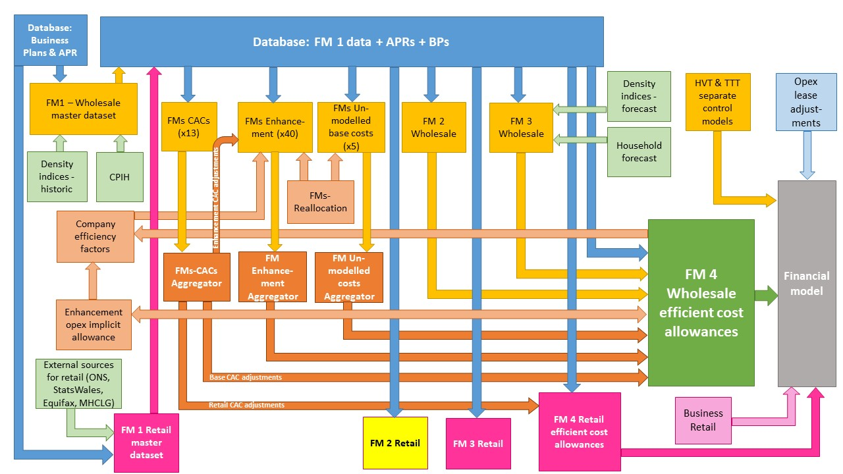

The diagram above is a simplified process model to indicate the relationship between the various feeder models and data sources we use to assess wholesale and retail expenditure cost efficiency models. We provide a detailed process map in ‘PR19 price setting models map - slow track draft determinations’.

Model presented in the current file

Key:
FM = Feeder model
CAC = Cost adjustment claim
CPIH = Consumer Prices Index including owner occupiers’ housing costs
ONS = Office for National Statistics
MHCLG = Ministry of Housing, Communities and Local Government
HVT = Havant Thicket
TTT = Thames Tideway

