Cover
Feeder model 4: Calculation of our efficient cost allowances
Version 1.0. 18th July 2019

 | Purpose
 | To calculate an efficient cost allowance for residential retail.

 | Guide to model
 | Controls | The weights given to each econometric model across different levels of aggregation, catch-up (including the within sector historical challenge) and the weights for apportioning SVE and HDD’s costs can be found in the “Controls” tab.
 | Coeffs | The model takes the coefficients from our econometric models which are also used in FM_RR2.
 | Drivers | The tab takes the forecasts of cost drivers from FM_RR3.
 | Modelled costs | The 'Modelled costs' tab multiplies the coefficients from the Coeffs tab by the forecast of costs drivers from the Drivers tab.
 |  | Modelled costs are triangulated at different levels of aggregation to estimate modelled totex - triangulated. We apply a forward looking efficiency challenge based on the upper quartile to obtain efficient costs
 | Final allowance | This tab calculates the efficient totex allowances.
 |  | - The efficient total cost base allowance is derived from the modelled total costs. There are no cost adjustment claims, unmodelled costs or symmetrical adjustments.
 |  | - Information on other costs and bad debt and management costs can also be seen

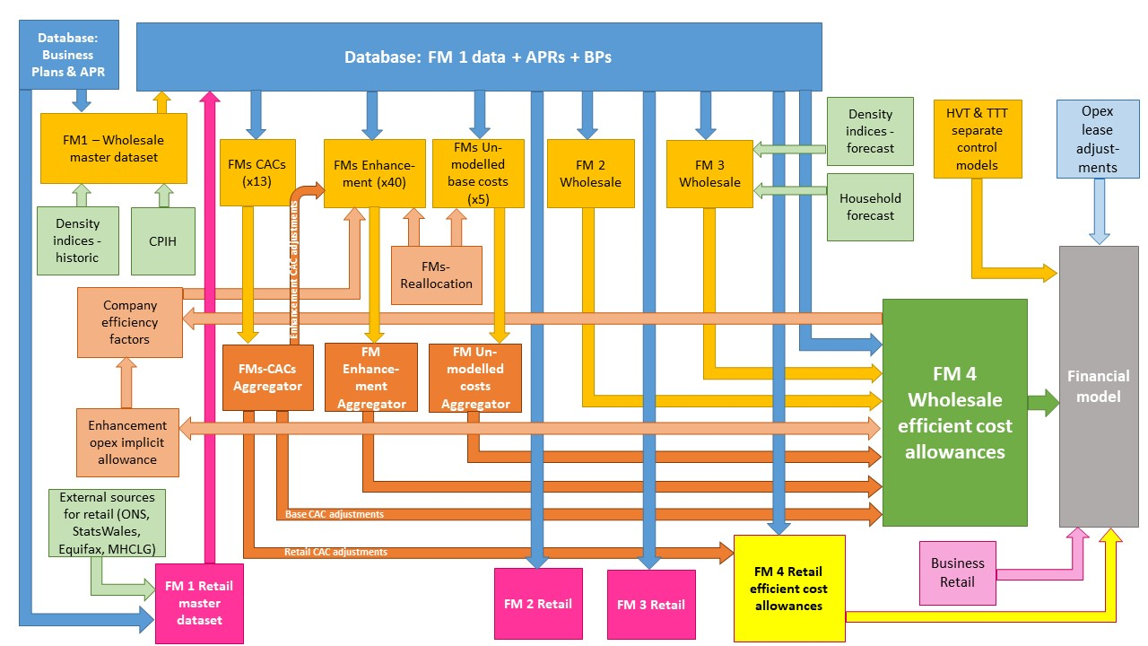

The diagram above is a simplified process model to indicate the relationship between the various feeder models and data sources we use to assess wholesale and retail expenditure cost efficiency models. We provide a detailed process map in ‘PR19 price setting models map - slow track draft determinations’.

Model presented in the current file

Key:
FM = Feeder model
CAC = Cost adjustment claim
CPIH = Consumer Prices Index including owner occupiers’ housing costs
ONS = Office for National Statistics
MHCLG = Ministry of Housing, Communities and Local Government
HVT = Havant Thicket
TTT = Thames Tideway

Controls
 | Model weights |  |  |  | Top-down / bottom-up triangulation weights

 | ROC2_t | 50% |  |  | Bottom up | 50%
 | ROC4_t | 50% |  |  | Top down | 50%
 | RDC1_t | 50%
 | RDC20_t | 50%
 | RTC3_t | 33%
This must be set on "Triangulation"
 | RTC4_t | 33%
 | RTC8_t | 33%

 | Efficiency challenge parameters |  |  | select >>
 |  |  |  | Triangulation
 | Within sector catch-up - forward looking |  |  | 0.835 |  |  | Within sector catch-up - historical | 0.881 | Upper quartile
 | Year | Real input price inflation | Rate of productivity improvement | Wider economy catch-up | Net total frontier shift |  | Within sector catch-up - forward looking | 0.790 | Upper quartile
1 | 2021 | 0.0% | 0.0% | 0.0% | 0.0% |  | Input price pressure | 2%
2 | 2022 | 0.0% | 0.0% | 0.0% | 0.0% |  | Rate of productivity improvement | 1%
3 | 2023 | 0.0% | 0.0% | 0.0% | 0.0% |  | Wider economy catch-up | 1%
4 | 2024 | 0.0% | 0.0% | 0.0% | 0.0%
5 | 2025 | 0.0% | 0.0% | 0.0% | 0.0%

 | SVE/HDD Allocation of totex

 | Company | TC_tr
 | SVE | 97.2%
 | HDD | 2.8%

