Cover
Cover sheet

Thames Tideway Tunnel (TTM) separate control feeder model
Objective
To assess the costs submitted by Thames Water in relation to the separate price control for Thames Tideway Tunnel related activity.
Approach at DD
A deep dive assessment of the costs submitted in the PCD6-PR19 Thames Tideway Tunnel (TTT) business plan submission and the subsequent TW-CE-A17 TTT Price Control Update. We have considered the Thames Water submission and cross checked the costs against our own cost assumptions as well as our knowledge of the TTT project and the scope of the work proposed.
Changes since IAP
Cost of Compensation due to calculation error.

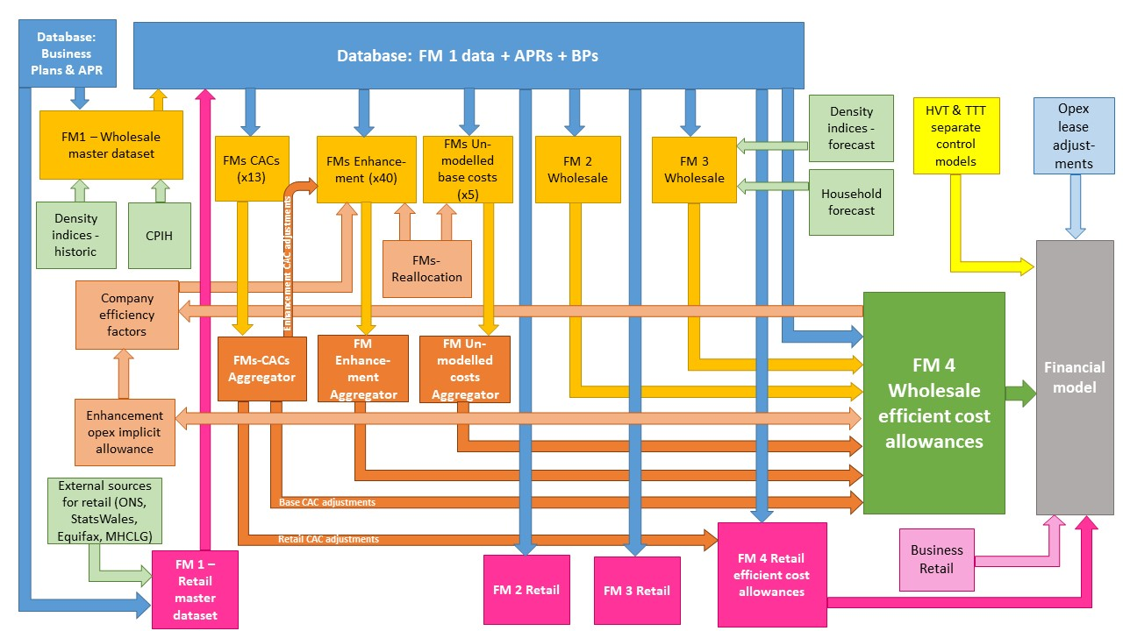

The diagram above is a simplified process model to indicate the relationship between the various feeder models and data sources we use to assess wholesale and retail expenditure cost efficiency models. We provide a detailed process map in ‘PR19 price setting models map - slow track draft determinations’.

Model presented in the current file

Key:
FM = Feeder model
CAC = Cost adjustment claim
CPIH = Consumer Prices Index including owner occupiers’ housing costs
ONS = Office for National Statistics
MHCLG = Ministry of Housing, Communities and Local Government
HVT = Havant Thicket
TTT = Thames Tideway

TTT control
The assessor |  |  |  | The assessor
Assessor's name | RB |  |  | Assessor's name | RB
Date completed | 2019-05-05 |  |  | Date completed | 2018-10-01
Date of plenary meeting | 2019-05-03 |  |  | Date of plenary meeting | 2018-10-23
Peer review (initials, date and QA log ref.) | MG-29/05/2019 |  |  | Peer review (initials, date and QA log ref.) | SH - 21/01/2019

The claim |  |  |  | The claim
Description of claim | Costs and income for separate Tideway control |  |  | Description of claim | Costs and income for separate Tideway control
Company | TMS |  |  | Company | TMS
Control | Separate Tideway control |  |  | Control | Separate Tideway control
Claim identifier (number) | Separate Tideway control |  |  | Claim identifier (number) | Separate Tideway control
Value of claim for AMP7 (£m) | -210.3 |  |  | Value of claim for AMP7 (£m) | -206.4
2020-21 | 23.7 |  |  | 2020-21 | 30.1
2021-22 | 34.8 |  |  | 2021-22 | 34.5
2022-23 | 20.6 |  |  | 2022-23 | 16.1
2023-24 | -132.4 |  |  | 2023-24 | -132.2
2024-25 | -157.0 |  |  | 2024-25 | -154.9

Overall assessment result |  |  |  | Overall assessment result
Overall assessment result | Partial accept | Our view is that there is additional income available from the sale of land and that costs are lower than Thames Water has presented. On land we have done our own analysis and concluded that the land values proposed by the company are appropriate assuming land is sold without any planning permission applications having been completed. Land sale values appear to be underestimated. Our initial view is that the land at two of the largest sites is undervalued by at least £100m. (Chambers Wharf and Camelford House). There is the opportunity to maximise value for customers through appropriate targeted application for planning permission. We consider £100m should be added to the income from land sales. We estimate system operator costs could be less in total with: - 50% cut in power costs (-£2.69m) - 50% reduction in FTEs working on the system operator(-£2.7m) - System operator Hired and Contracted costs reduced from £8.3m to £3.36m due to a lack of evidence that the cleaning of sewers will be required. We also consider that only 50% of the survey work and 10% of the cleaning work should be funded. (-£4.94m) - 50% off TIG capital costs of £8.3m (-£4.15m) More detail has been provided on TIG staff costs but we consider a 10% reduction in funding is still justified. (-£2.9m) |  | Overall assessment result | Partial accept | Our view is that there is additional income available from the sale of land and that costs are lower than TMS has presented. We estimate system operator costs could less in total with 60% less maintenance (operation and maintenance) and 30% fewer operators (TIG group). The Beckton inlet works costs (£15.8m) appear expensive for the scale of work and we propose a 10% challenge. On land we have done our own analysis and concluded that the land values proposed by TMS are appropriate assuming land is sold without any planning permission applications having been completed. Land sale values appear to be underestimated. Our initial view is that the land at two of the largest sites is undervalued by at least £100m. (Chambers Wharf and Camelford House). There is the opportunity to maximise value for customers through appropriate targeted application for planning permission.
Ofwat view of cost adjustment (£m) | -327.683 |  |  | Ofwat view of cost adjustment (£m) | -329.5

Implicit allowance: No implicit allowance has been calculated.
 |  |  |  | IAP scoring
Materiality |  |  |  | Assessment of overall quality for IAP scoring | Partial pass | Although the need for the expenditure is established and much of it has external assurance/benchmarking there are areas that do not merit a full pass. The performance commitments in place to protect customers and incentivise TMS are not particularly ambitious, especially given the impact it could have on Tideway. The land disposal plan could also potentially have more gains in it for customers rather than just selling land off as soon as it is available, albeit at market rates.
Implicit allowance - see box (£m)
Totex for control (£m) |  |  |  | Materiality
Materiality post implicit allowance (%) | 100% |  |  | Implicit allowance - see box (£m)
Is the claim post implicit allowance material? | Yes |  |  | Totex for control (£m)
 |  |  |  | Materiality post implicit allowance (%) | 100%
Assessment gates |  |  | References | Is the claim post implicit allowance material? | Yes
Need for investment | Pass | Investment is needed for several reasons: - Asset creation - Compensation costs derived from compensating communities and businesses for the impact of tunnel construction. - Funding the Tideway Integration Team (TIG). - Establishing the TTT system operator control model and training and establishing the team to manage it. - Maintenance and remedial works of existing Thames Water assets to ensure they are able to be integrated into the TTT. The scale of totex included in the TTT Price Control is £138m (net of land sales and lease obligations). Of the £138m totex included by Thames Water, only £15m is associated with asset creation, the balance covering compensation costs, TIG team, establishment of a System Operator and incremental operational costs. The funding request is aimed at management effort to support the Tideway construction efforts and to prepare for system commissioning. The claim makes clear that these activities are necessary. | TMS PCD6 TTT
Need for adjustment | Pass | There is no modelled allowance for the separate Tideway control so the cost adjustment route is being used to assess these costs. |  | Assessment gates |  |  | References
Management control | Pass | The costs are driven by the need to operationally integrate the TTT into the Thames Water waste water network and manage the system operation - hence it is reasonable to assess that they are largely beyond management control. Improved capital maintenance would not have removed the need for these additional works. | TMS PCD6 TTT | Need for investment | Pass | Investment is needed for several reasons: - Asset creation - Compensation costs derived from compensating communities and businesses for the impact of tunnel construction. - Funding the Tideway Integration Team (TIG) - Establishing the TTT System operator control model and training and establishing the team to manage it. - Maintenance and remedial works of existing TMS assets to ensure they are able to be integrated into the TTT. The scale of totex included in the TTT Price Control £138m (net of land sales and lease obligations). Of the £138m totex included by TMS, only £15m is associated with asset creation, the balance covering compensation costs, TIG team, establishment of a System Operator and incremental operational costs. The funding request is aimed at management effort to support the Tideway construction efforts and to prepare for system commissioning. The claim makes clear that these activities are necessary. | TMS PCD6 TTT
Best option for customers | Pass | The costs can be broadly split as: Compensation costs Thames Water provides the methodology for how non statutory compensation is arrived at. This has been developed by CBRE Global Inc (a global commercial real estate services and investment firm) and is based on benchmarked evidence from schemes such as HS2. Thames Water has stated that property acquisition has been far lower than forecast so far on the project (only 2 properties against an overall forecast of 150). The company has used the same method employed at PR14 to calculate compensation costs, modified slightly to reflect the lower than forecast take-up of compensation to date (but recognising that tunnelling has not yet commenced) TIG Group (£29m) This is the team set up to act as an interface between Thames Water and Tideway and will be funded to year 3 of AMP7. The activities under their remit cover some capital expenditure, the main spend of which is capital maintenance of the Tideway Pumping Station prior to acceptance in AMP8. New assets and maintenance of existing assets Thames Water has provided an indicative list of works, the largest parts of which are Beckton inlet works (£15.8m). This is in addition to enabling works already carried out in AMP6 which have been funded. Thames Water has included a report on the works from SMBJV which has carried out an options analysis and has concluded that the selected option delivers the right outcomes. Analysis has also been undertaken indicating the project is cost beneficial due to a high whole life benefit valuation. Operation and Maintenance costs (£21.3m) have been independently assured by KPMG although this is linked to the regulatory baseline for system commissioning. There is no mention of accelerating the programme if Tideway require it though and how this may affect costs - and the associated Performance Commitment ET-01 does not incentivise early completion of the inlet works upgrade. There will also be significant income (forecast of £328.2m) in | TMS PCD6 TTT | Need for adjustment | Pass | There is no modelled allowance for the separate Tideway control so the cost adjustment route is being used to assess these costs.
Robustness and efficiency of costs | Partial pass | The anticipated spend in the TTT control is £144m with £344.6m of income. The largest category of costs is compensation costs. Analysis has been carried out by CBRE on Thames Water's exposure to having to acquire land due to construction activities and this has been costed at approximately £55m, comprising i) statutory compensation (£23.3m), and ii) non-statutory compensation - property purchases (£34.9m, of which £28.7m is forecast to be incurred in AMP7) and houseboats (£2.6m). It has been noted that costs for property purchases (non-statutory compensation) have so far been lower than forecast although Thames Water has reflected this partly in its figures reducing the funding allocation for EHP properties by 75% and 50% for ECR properties to reflect the low rate of enquiries and successful claims to date under EHP and NSOMCP policies. Ofwat has queried Thames Water over the method of property purchase costs and the company has responded acknowledging an error in the calculations. Revised property purchase costs (non-statutory) (£33.3m) have been submitted by Thames Water, although it is unclear how much of the reduced total of these costs will be incurred in AMP7. Although the forecast compensation costs seem relatively high against the actual claims so far there is a 100:0 customer sharing mechanism in place meaning money will go back to customers if not spent. Tables 4-9 list land that will be surplus post construction, detailing both the purchase price and the current estimate of net market value. The current market value is lower than the purchase value, which we have checked using independent analysis and Thames Water's values are in line with our expectations based on land and construction cost changes over the period. However, there are opportunities to maximise the value of the land to customers' benefit through planning applications which we estimate to add a further £100m to the net value of the sites Thames Water plans to sell during the 2020-2025 peri | TMS PCD6 TTT | Management control | Pass | The costs are driven by the need to operationally integrate the TTT into the TMS waste water network and manage the system operation - hence reasonable to assess that they are largely beyond management control. Improved capital maintenance would not have removed the need for these additional works. | TMS PCD6 TTT
Customer protection | Partial pass | Thames Water has developed a set of Performance Commitments (PCs) designed to incentivise them to meet their commitments on system commissioning, land sales and stakeholder engagement. At face value the level of penalties proposed are very low even before the delay cost impact to Tideway which may be 10 or 20 x the delay costs to Thames Water are considered. Ultimately a percentage of these costs will be passed on to customers. Thames Water does however, have support from its customer challenge group (CCG) for these PCs. The PCs are however not particularly challenging, in particular: - ET01 does not incentivise Thames Water to deliver the modifications to the inlet works ahead of the Planned System Commissioning Date; - ET03 contains so many exceptions and caveats as to render the PC almost meaningless - ET04 is weak, and difficult to see how it cannot be achieved (and its achievement does not necessarily mean Tideway will be able to commence system commissioning) |  | Best option for customers | Pass | The costs can be broadly split as: Compensation costs TMS provides the methodology for how non statutory compensation is arrived at. This has been developed by CBRE and is based on benchmarked evidence from schemes such as HS2. TMS has stated that property acquisition has been far lower than forecast so far on the project though (only 2 properties against an overall forecast of 150). TMS has used the same method employed at PR14 to calculate compensation costs, modified slightly to reflect the lower than forecast take-up of compensation to date (but recognising that tunnelling has not yet commenced) TIG Group (£29m) This is the team set up to act as an interface between TMS and Tideway and will be funded to year 3 of AMP7. The activities under their remit cover some capital expenditure, the main spend of which is capital maintenance of the Tideway Pumping Station prior to acceptance in AMP8. New assets and maintenance of existing assets TMS has provided an indicative list of works, the largest parts of which are Beckton inlet works (£15.8m). This is in addition to enabling works already carried out in AMP6 which have been funded. TMS has included a report on the works from SMBJV which has options analysis concluding the selected option delivers the right outcomes. Analysis has also been undertaken indicating the project was cost beneficial due to a high whole life benefit valuation. Operation and Maintenance costs (£21.3m) have been independently assured by KPMG although this is linked to the regulatory baseline for system commissioning. There is no mention of accelerating the programme if Tideway require it though and how this may affect costs - and the associated Performance Commitment ET-01 does not incentivise early completion of the inlet works upgrade. There will also be significant income (forecast of £328.2m) in the AMP from the sale of land associated with TTT sites as construction is completed, whilst TMS will employ a "no pain, no gain" principle on lan | TMS PCD6 TTT
Affordability | Pass | Thames Water's CCG has been engaged and is in agreement with the proposals put forward which seem broadly affordable. |  | Robustness and efficiency of costs | Partial pass | The anticipated spend in the TTT control is £144m with £344.6m of income. The largest of these costs is compensation costs. Analysis has been carried out by CBRE on TMS's exposure to acquisitions due to construction activities and a figure of £55m calculated from this comprising statutory compensation (£23.3m), non-statutory compensation - property purchase (£34.9m of which £28.7m is forecast to be incurred in AMP7) and non-statutory compensation - houseboats (£2.6m). It has been noted that non-statutory compensation (property purchase) costs so far in the TTT project have been lower than forecast although TMS has reflected this partly in its figures reducing the funding allocation for EHP properties by 75% and 50% for ECR properties to reflect the low rate of enquiries and successful claims to date under EHP and NSOMCP policies. Ofwat has queried TMS over the method of calculation of non-statutory compensation (property purchase) costs and TMS has responded acknowledging an error in the calculations. The revised non-statutory (property purchase) costs (£33.3m) have been re-submitted by TMS, although it is unclear how much of the reduced total non-statutory compensation (property purchase) costs will be incurred in AMP7. Table 4-9 lists land that will be surplus post construction, detailing both the purchase price and the current estimate of net market value. The current market value is lower than the purchase value, which we have checked using independent analysis and TMS's values are in line with our expectations based on land and construction cost changes over the period. However, there are opportunities to maximise the value of the land to customers' benefit through planning application which we estimate to add a further £100m to the value of the sites TMS plans to sell during the 2020-2025 period. For the asset creation at Beckton Inlet Works (£15.8m) Arcadis was commissioned to carry out market testing of cost estimates giving a level of assurance to the cos | TMS PCD6 TTT
Board assurance | Partial pass | We can find no direct mention of any board assurance being undertaken on the TTT price control although there is a separate Board Assurance statement for the overall plan. |  | Customer protection | Partial pass | TMS has developed a set of Performance Commitments designed to incentivise them to meet their commitments on system commissioning, land sales and stakeholder engagement. At face value the level of penalties proposed are very low even before the delay cost impact to Tideway which may be 10 or 20 x the delay costs to Thames Water are considered. Ultimately a percentage of these costs will be passed on to customers. TMS does have support from its CCG for this work though. The PCs are however not particularly challenging, in particular: - ET01 does not incentivise TMS to deliver the modifications to the inlet works ahead of the Planned System Commissioning Date; - ET03 contains so many exceptions and caveats as to render the PC almost meaningless - ET04 is weak, and difficult to see how it cannot be achieved (and its achievement does not necessarily mean Tideway will be able to commence system commissioning)
 |  |  |  | Affordability | Pass | TMS CCG has been engaged and is in agreement with the proposals put forward which seem broadly affordable.
Further analysis / arguments
See TTT: TWUL Business Plan review : V6 26 April 2019, for Ofwat support analysis of the original TWUL TTT plan justification and the revised plan evidence and assertions in the TWUL submission document ref :- TW-CE-A17-TTT Price Control : Issue date 1 April 2019 (Cost Adjustment Claims\ TMS)
 |  |  |  | Board assurance | Partial pass | We can find no direct mention of any board assurance being undertaken on the TTT price control although there is a separate Board Assurance statement for the overall plan.

