Cover
Calculation of efficient view of Traffic Management Act (TMA) costs (excluded from wholesale base models)

 | Purpose
 | To calculate our view of forecast TMA costs which are added to efficient base costs in Feeder Model 4 so included in our final totex allowance.
 | Base costs assessed using econometric models excludes TMA costs.
 | We analyse companies’ proposed costs against those that have been incurred historically. Where there are significant increases we carry out a company specific review based on the evidence presented in business plans and challenge costs accordingly. For companies that propose costs in line with those incurred historically our efficiency challenge is based on the efficiency challenge that our econometric models present to its base costs.

 | Inputs
 | Submitted TMA costs | Sources TMA costs submitted by companies (taken from feeder models FM_WW1 and FM_WWW1)
 | Drivers | Sources driver information submitted by companies (taken from feeder models FM_WW1 and FM_WWW1)
 | Data normalisation | Sources NES enhancement TMA costs from business plan

 | Assessment
 | TMA modelling | Contains quantitative and qualitative assessment of company submitted TMA costs.
 | TMA allowance | Contains Ofwat's final view of TMA cost allowances
 | Charts | Contains chart data showing historical and allowed TMA costs

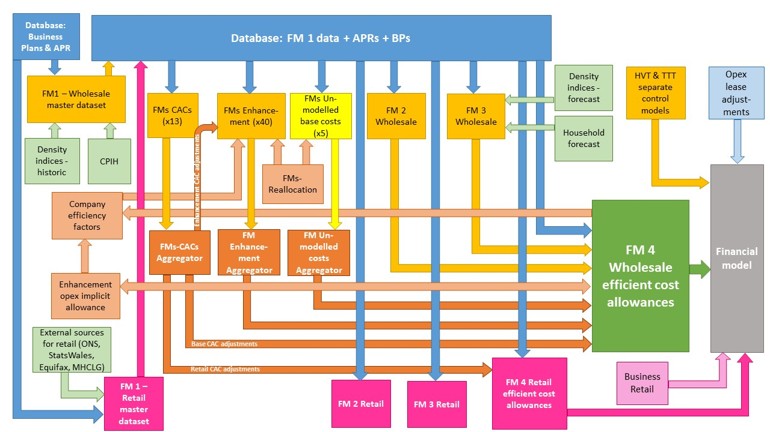

The diagram above is a simplified process model to indicate the relationship between the various feeder models and data sources we use to assess wholesale and retail expenditure cost efficiency models. We provide a detailed process map in ‘PR19 price setting models map - slow track draft determinations’.

Model presented in the current file

Key:
FM = Feeder model
CAC = Cost adjustment claim
CPIH = Consumer Prices Index including owner occupiers’ housing costs
ONS = Office for National Statistics
MHCLG = Ministry of Housing, Communities and Local Government
HVT = Havant Thicket
TTT = Thames Tideway

