Cover
Calculation of catch-up efficiency challenge
Version 1.0. 18th July 2019

 | Objective To calculate the historical catch-up efficiency challenge. Guide to the model Inputs: the model takes as inputs the coefficients from our econometric models, costs and costs drivers as reported by companies in their business plans. Base modelled costs are estimated in the “Modelled costs” worksheet by multiplying the coefficients by costs drivers. The coefficients are produced by the econometric models (see worksheet named “Model coeffs”) and Costs drivers are imported from feeder model FM_WW1 (see “Costs drivers” worksheet). The catch-up efficiency challenge is estimated in the worksheet named “Efficiency”. Base modelled costs at different levels of aggregation are triangulated to estimate wholesale modelled base costs. The catch-up efficiency challenge is estimated from companies’ efficiency scores, which are defined as the ratio of the modelled base costs that results from our model using historical data with modelled base costs as reported by companies for the period 2013/14 to 2017/18. The upper quartile efficiency score is used. Information on the weights assigned to the econometric models can be found in the “Controls” worksheet.

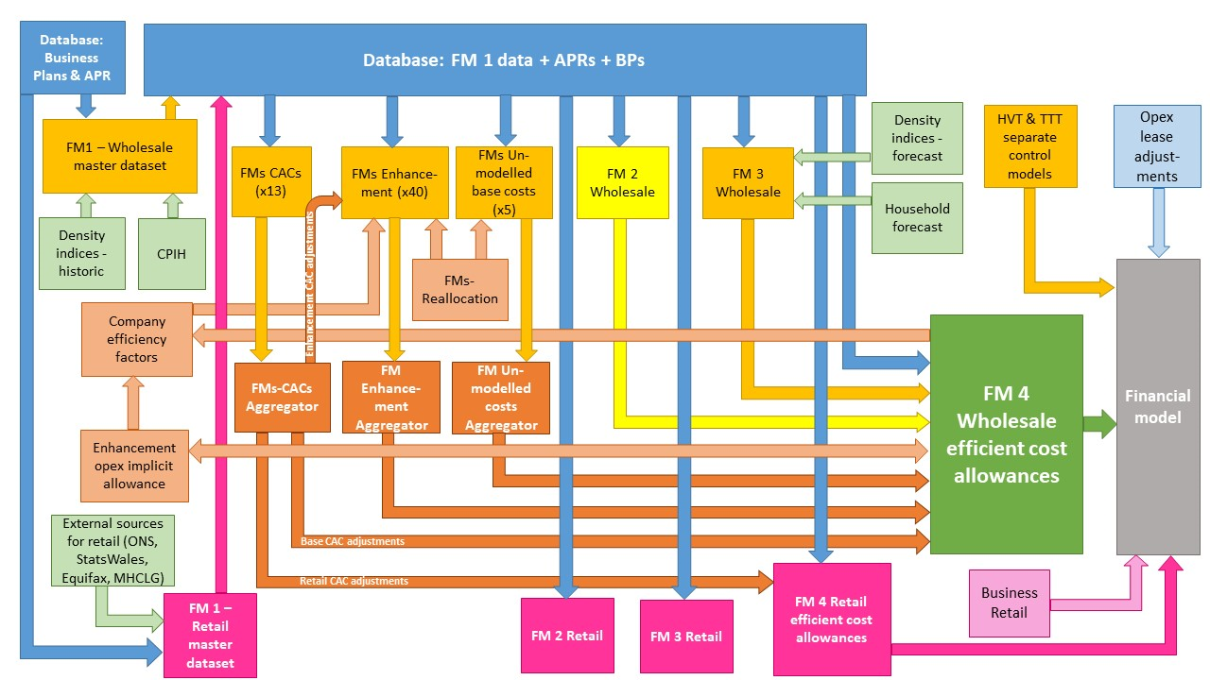

The diagram above is a simplified process model to indicate the relationship between the various feeder models and data sources we use to assess wholesale and retail expenditure cost efficiency models. We provide a detailed process map in ‘PR19 price setting models map - slow track draft determinations’.

Model presented in the current file

Key:
FM = Feeder model
CAC = Cost adjustment claim
CPIH = Consumer Prices Index including owner occupiers’ housing costs
ONS = Office for National Statistics
MHCLG = Ministry of Housing, Communities and Local Government
HVT = Havant Thicket
TTT = Thames Tideway

