Cover
Calculation of forecasts of costs drivers
Version 1.0. 18th July 2019

 | Objective To produce the forecast of costs drivers that are used in our econometric models to explain our modelled based costs. Guide to model The forecast are performed in the “Forecasts” worksheet. Generally, we derive our forecasts by using a linear time trend. In some cases, however, we use an alternative approach when the time trend produces inaccurate results. Cells have been highlighted in a different colour when this occurs. The Interface worksheet provides the forecast of costs drivers in a panel data set format to be used in feeder model FM_WW4.

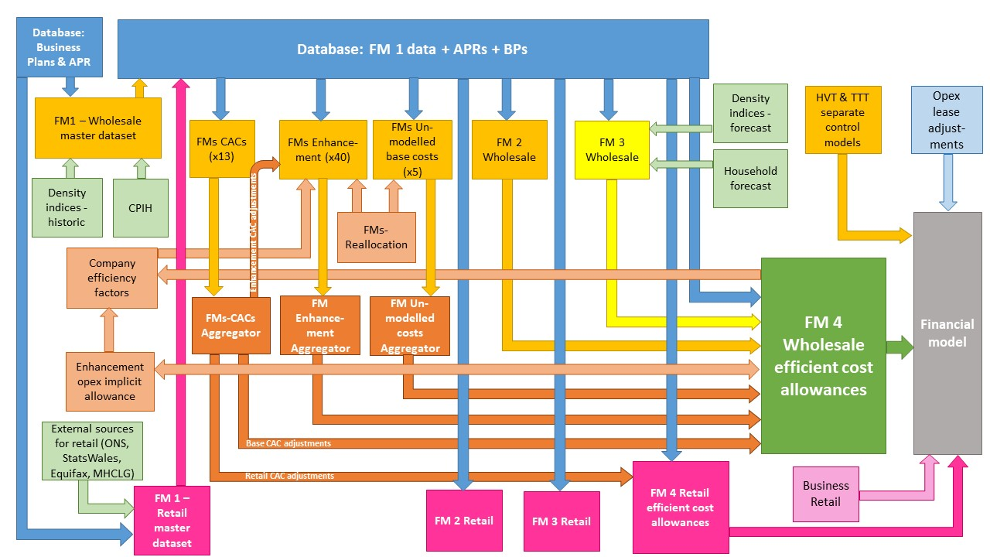

The diagram above is a simplified process model to indicate the relationship between the various feeder models and data sources we use to assess wholesale and retail expenditure cost efficiency models. We provide a detailed process map in ‘PR19 price setting models map - slow track draft determinations’.

Model presented in the current file

Key:
FM = Feeder model
CAC = Cost adjustment claim
CPIH = Consumer Prices Index including owner occupiers’ housing costs
ONS = Office for National Statistics
MHCLG = Ministry of Housing, Communities and Local Government
HVT = Havant Thicket
TTT = Thames Tideway

