Cover
Calculation of totex allowances
Version 1.0. 18th July 2019

 | Objective To calculate an efficient cost allowance for water resources and water network plus controls. Guide to the model Inputs: the model takes as inputs the coefficients from our econometric models, the forecasts of the cost drivers, the catch-up and frontier shift challenge. Base modelled costs are estimated in the “Modelled costs” worksheet by multiplying the coefficients by the forecast of costs drivers. The coefficients are produced by the econometric models as reported in feeder model FM_WW2 (see worksheet named “Coeffs”) ; and Forecast of costs drivers are imported from feeder model FM_WW3 (see worksheet named “Forecast drivers”). Base modelled costs at different levels of aggregation are triangulated to estimate wholesale base modelled costs. We apply the historical catch-up efficiency (produced by feeder model FM_WW2) and frontier shift (as specified in our summary document) to obtain efficient costs Totex allowances are calculated in the “Final allowances” worksheet, The wholesale water modelled base allowance is apportioned into each price control (water resources and network plus water) using companies’ business plan data. Information on other costs produced by other models is incorporated, namely unmodelled base costs, enhancement costs and cost adjustment claims Information on weights given to each econometric model across different levels of aggregation, catch-up (including hypothetical forward looking) and frontier shift efficiency challenges can be found in the “Controls” worksheet. The models also calculates totex split by capex and opex in the tab named "Financial model inputs". All results are summarised in the "Interface tab".

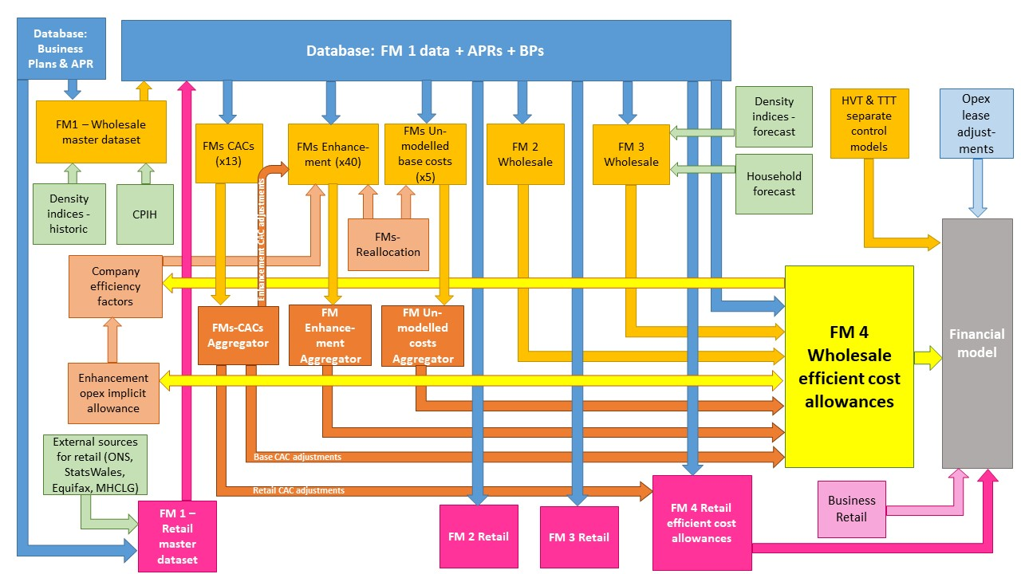

The diagram above is a simplified process model to indicate the relationship between the various feeder models and data sources we use to assess wholesale and retail expenditure cost efficiency models. We provide a detailed process map in ‘PR19 price setting models map - slow track draft determinations’.

Model presented in the current file

Key:
FM = Feeder model
CAC = Cost adjustment claim
CPIH = Consumer Prices Index including owner occupiers’ housing costs
ONS = Office for National Statistics
MHCLG = Ministry of Housing, Communities and Local Government
HVT = Havant Thicket
TTT = Thames Tideway

