Cover
Cover sheet

Purpose
To calculate the adjustment to operating expenditure to reflect operating leases reclassified under IFRS16 and included in the RCV adjustment.

Inputs
Discounted cashflows of existing operating leases from company business plan table App33
CPIH year end index from company business plan table App23
CPIH year average index from company business plan table App23

References
Ofwat information notice 18/09 Guidance for reporting operating leases in PR19 business plans

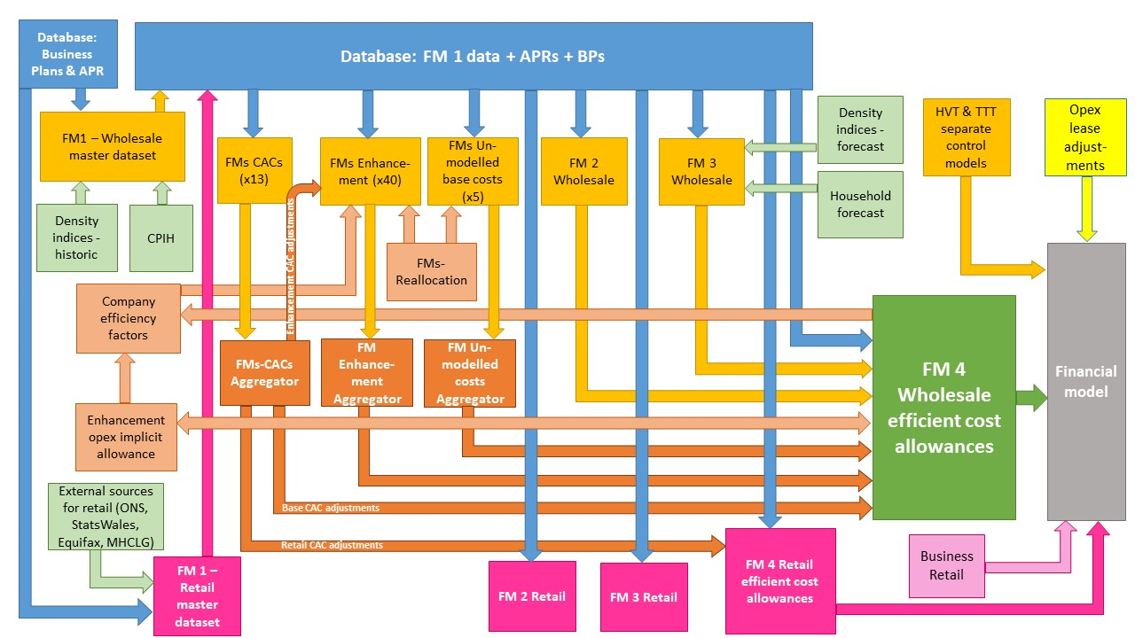

The diagram above is a simplified process model to indicate the relationship between the various feeder models and data sources we use to assess wholesale and retail expenditure cost efficiency models. We provide a detailed process map in ‘PR19 price setting models map - slow track draft determinations’.

Model presented in the current file

Key:
FM = Feeder model
CAC = Cost adjustment claim
CPIH = Consumer Prices Index including owner occupiers’ housing costs
ONS = Office for National Statistics
MHCLG = Ministry of Housing, Communities and Local Government
HVT = Havant Thicket
TTT = Thames Tideway

