Econometric base cost models
Consultation on econometric base cost models for PR24

 | Chapter | # | Question | Response (from drop-down list) | Evidence to support response to question and any additional comments
 | 3. Cost models for wholesale water activities | Q3.1 | Do you agree with our proposed set of wholesale water base cost models? | Neither agree nor disagree- N/A | 3.1.1 We assess Ofwat’s proposed models using the framework provided by our principles of regulatory cost assessment, which we published in a paper submitted to the Future Ideas Lab (FIL) . We consider that close alignment to these principles will produce an appropriate outcome for companies and their customers . In our FIL paper, we presented six principles. However, we focus upon four of these in this assessment because the excluded two are less relevant to cost modelling and more concerned with the wider cost assessment framework. Define the services provided 3.1.2 Accurate understanding of the services provided by a company through its value chain enables the search for, and choice of, appropriate cost drivers and associated explanatory variables. 3.1.3 We consider Ofwat’s model suite to be generally well aligned with the way in which services are delivered across the water value chain. In particular, the use of a ‘water resources plus’ cost aggregation recognises the substitution effects that exist between water resources and water treatment value chain i.e. engineering rationale suggests that companies with lower costs in water resources (due to gravity-fed water sources for example) will have higher treatment costs (as surface water sources require additional, more complex treatment). 3.1.4 However, while Ofwat recognises the effect of gravity fed water sources on pumping requirements through the use of APH, it has not chosen to reflect the flipside of the coin in the model suite – reservoir dam maintenance. While impounding reservoirs are associated with less power consumption (which Ofwat is seeking to ensure is reflected in the treated water distribution models via APH), they are also associated with higher maintenance costs (which is not adequately represented in the water resources models). This approach penalises companies with significant proportion of surface water sources. Legislation (e.g. Reservoirs Act 1975) requires reservoir dams be kept to a m
 | 3. Cost models for wholesale water activities | Q3.2 | Do you agree with the inclusion of average pumping head in a sub-set of treated water distribution and wholesale water models? | Strongly Disagree | 3.2.1 We agree that a measure that reflects the pumping effort is a valid driver of cost of water company networks. In principle, APH would appear to be an intuitive way to reflect one aspect of costs related to topographical challenges in a companies’ region – the extent to which companies need to lift water to deliver it to their customers. However, APH is a calculated value and, as such, is susceptible to differences in calculation methodology between companies (and hence is partially endogenous). In the case where we were confident in the quality and consistency of reported APH data, we could be more supportive of its inclusion within a subset of the water models. However, we are not confident in the quality and consistency of APH data and so we do not support the use of APH at PR24. We consider that the continued use of booster pumping stations would be more reliable and less at risk from methodological reporting differences. 3.2.2 Ofwat and the CMA both lacked confidence in the robustness and consistency of APH data at PR19. Ofwat stated: “We tested alternative explanatory variables to capture differences in network complexity and energy requirements (such as average pumping head and pumping capacity) but we did not find a more robust cost driver” And: “The low quality of average pumping head data was noted also when we quality assured the data and identified large unexplained annual variations for some companies” . The CMA said: “…We had concerns regarding the quality of the APH data” And: “…We decide that APH should not be included as an explanatory variable in the econometric models” . 3.2.3 Following PR19, Ofwat commissioned Turner & Townsend and the WRC to carry out an industry-wide survey into APH and the way in which different companies approach its estimation. The study found significant inconsistencies between the ways in which APH is reported across the industry, including: • Significant variation between companies in the proportion of measur | 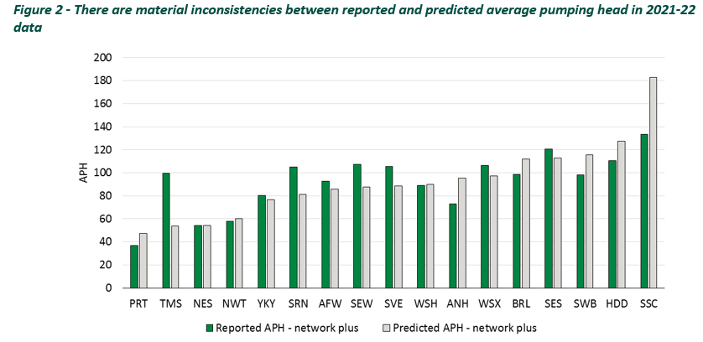 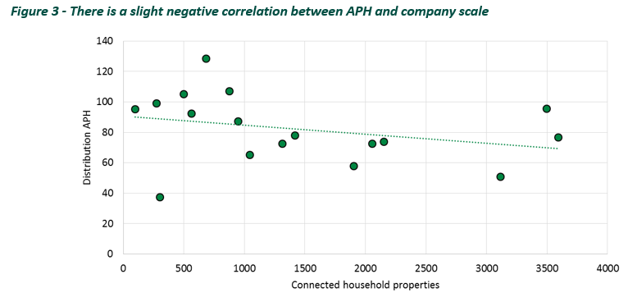 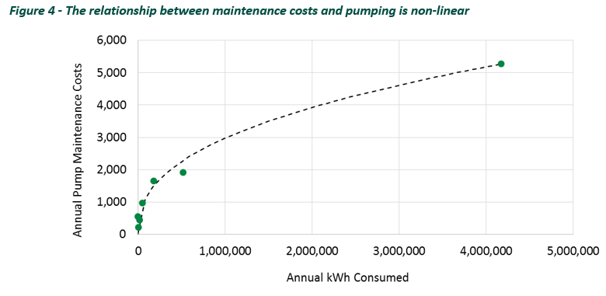
 | 3. Cost models for wholesale water activities | Q3.3 | Do you agree with our approach to modelling population density? Which of the three explanatory variables do you support? a. Weighted average density – LAD from MSOA b. Weighted average density - MSOA c. Properties per length of mains | Agree | 3.3.1 We agree in principle with the use of different cost drivers within a suite of appropriately triangulated models. This means that it may be appropriate to use all three approaches to modelling population density. This could ensure that different aspects of the relationship between costs and density are reflected within the benchmark and mitigate the risk that one variable is unduly beneficial or harmful to a particular company. 3.3.2 However, this principle does not mean that inappropriate variables should be used. We have tried to establish whether it would be appropriate to use all Ofwat’s proposed density measures or whether a subset should be used. To do this, we have examined the elasticity of each density variable with respect to modelled botex. This reveals what relationship the models are estimating between botex and density. We are then able to assess whether this relationship aligns with engineering, operational and economic priors. 3.3.3 Figure 5 presents the elasticity of modelled botex with respect to density, where density is measured using Ofwat’s WAD – MSOA (weighted by population) measure. The elasticity of each cost aggregation is produced by triangulating all models within each aggregation that use that density measure. So for example, the elasticity of water resources plus (WRP) in Figure 5 has been estimated using the appropriate coefficients in models WRP1 and WRP2 in Ofwat’s consultation. It’s clear that ‘WAD – MSOA’ estimates a strong relationship between density and treated water distribution (TWD) botex. We can also see that no company has a negative elasticity for TWD density, which means the model does not estimate a u-shaped relationship between TWD cost and density for companies in the industry. 3.3.4 Figure 6 presents the elasticities for the other WAD-based density measure used by Ofwat in its consultation, WAD – MSOA from LAD. It suggests there is a slightly different relationship between density and botex. Firstly, it estimat |  | 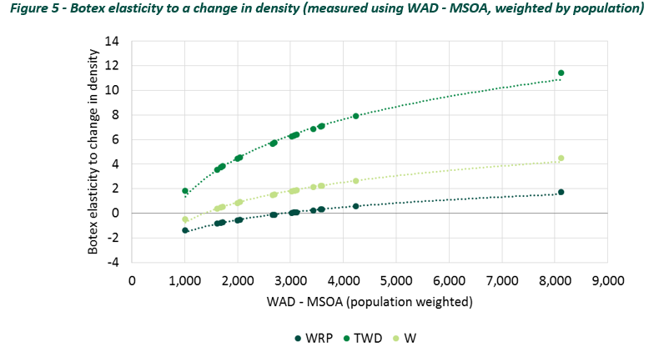 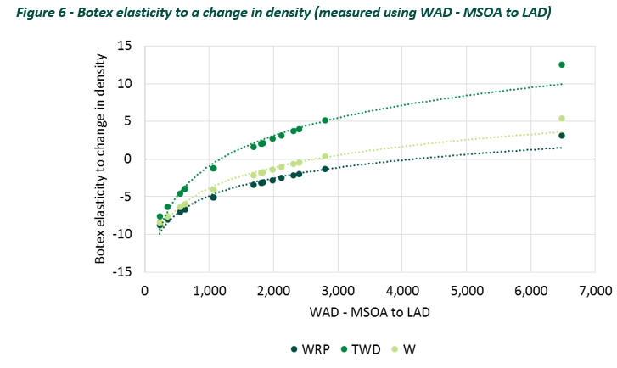 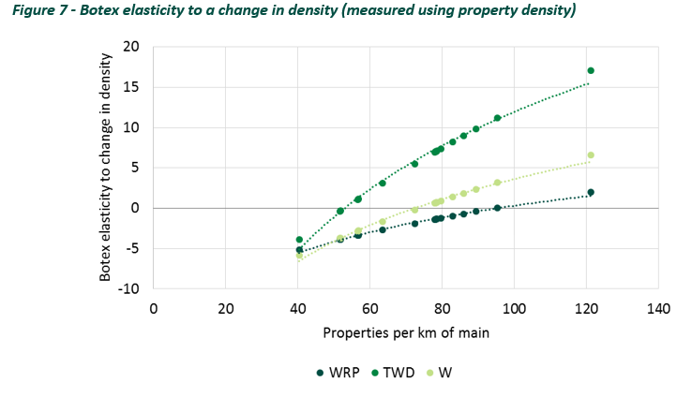
 | 3. Cost models for wholesale water activities | Q3.4 | Do you agree we should collect additional data on the number of reservoirs that are designed as high-risk by the Environment Agency and Natural Resources Wales? Do you have a view on the appropriateness of capturing a variable for reservoir inspection and maintenance requirements under the Reservoir Act 1975 in the water resources plus models? | Strongly Agree | 3.4.1 Yes. Reservoir maintenance is a material cost driver within water resources and we consider that it should be reflected within cost assessment. 3.4.2 Ofwat states that: “The relative cost of different water sources is unclear. Different water sources will bring differing levels of operating and capital maintenance expenditure, and factors could balance out in the round”. We do not consider this to be sufficient grounds to exclude a legitimate cost driver from the model suite – indeed further significant work would be needed to prove this assertion. The adoption of a ‘reservoir maintenance’ variable within a water resources plus model would reflect the relative cost differences between reservoir sources and groundwater sources because the coefficient would reflect the net cost effect of dam maintenance and pumping requirements, to the extent this is not already captured as a result of the ‘water resources plus’ modelling cost aggregation and existing variables. Indeed, we consider that the inclusion of APH within the proposed model suite provides undue benefit to companies with a large proportion of groundwater sources, but without properly recognising the additional cost of reservoir maintenance in water resources. 3.4.3 Therefore, we would strongly support the collection of additional data and would be happy to support the specification of any related request. We consider that care should be taken to ensure any resulting data would appropriately reflect maintenance costs. This is because some large service reservoirs fall under the EA’s high risk designation, but these service reservoirs do not necessarily have dams. Therefore, in our view it would only be appropriate for the data request to consider service reservoirs that do have dams e.g. some of UUW’s service reservoirs are old converted impounding reservoirs. 3.4.4 We also note that it will be important to ensure there aren’t any inconsistencies between England and Wales. Legislation means that reservoi
 | 4. Cost models for wastewater network plus activities | Q4.1 | Do you agree with our proposed set of wastewater network plus base cost models? | Neither agree nor disagree- N/A | 4.1.1 Similar to water, we have structured our response around UUW’s principles of regulatory cost assessment. Define the services provided 4.1.2 We consider that Ofwat’s proposals are generally well aligned with services companies provide. For example, the recognition of urban rainfall as a cost driver reflects the fact that the wastewater service provides two services: foul sewerage and surface water drainage. 4.1.3 However, we do not agree that the efficiency of Bioresources and wastewater treatment can be assessed separately. Bioresources services are provided in different ways across the industry. In particular, some companies provide an equivalent service in a different price control e.g. sludge thickening can be carried out in either wastewater network plus or in bioresources, depending upon a company’s asset configuration across the bioresources boundary line. Therefore, we consider that efficiency challenges should be applied at a wholesale wastewater level, which will prevent the benchmark company being informed by a company with a lower proportion of assets located in Bioresources. Prioritise engineering, operational and economic rationale 4.1.4 We consider that Ofwat’s proposed model suite is generally supported by engineering, operational and economic rationale: • We strongly support the reflection of urban rainfall within the regulatory framework, as we discuss in our response to 4.5. However, we consider that the most appropriate way to reflect this pressure within the regulatory framework is through a company-specific performance target for relevant PCs. • Ofwat’s new weighted average treatment works size (WATS) measure is a compelling addition to the model suite and is superior to previous variables used to capture economies of scale in treatment, as we discuss in our response to question 4.2. • Ofwat is correct to assume a linear relationship between costs and density in sewage collection, as we discuss in our response to question 4.4. • While we
 | 4. Cost models for wastewater network plus activities | Q4.2 | Do you agree with our approach to modelling economies of scale at sewage treatment works? Which of the three proposed explanatory variables do you support? a. Percentage of load treated in STWs bands 1 to 3 b. Percentage of load treated in STWs serving more than 100,000 people c. Weighted average sewage treatment works size | Strongly Agree | As we described in our Future Ideas Lab paper and in our response above (see paragraphs 3.2.16 and 3.3.1), it is entirely legitimate to include a diverse range of cost drivers within an appropriately triangulated model suite. However, after careful examination of Ofwat’s proposed explanatory variables we strongly support the sole use of weighted average treatment works size (WATS) to reflect economies of scale at wastewater treatment works. This is because the alternative variables (percentage of load treated in bands 1-3 and percentage of load treated in WwTW serving more than 100,000 people) impose restrictions on the ability of the model to find an appropriate relationship between cost and cost driver. The specification of these variables assumes that diseconomies of scale begin at size band 3 and below and that economies of scale begin at treatment works serving more than 100,000. While we do not consider these to be unrealistic assumptions, they are to an extent arbitrary in that alternative thresholds could also legitimately be chosen. While the use of such ‘threshold’ variables is entirely legitimate in the absence of a superior alternative, we consider that the existence of WATS means that these variables should not be considered further as explanatory factors for economies of scale at wastewater treatment works. We note that Ofwat considers WATS to be a measure that captures the average size of each company’s WwTW, and in Appendix 3 of its consultation specifies WATS in the following way: WATS= ∑_(n=1)^6▒〖〖Load〗_(band n)/〖WwTW〗_(band n) ×percentage of load in 〖band〗_n 〗 This can equivalently be written as: WATS= ∑_(n=1)^6▒〖〖Load〗_n/〖WwTW〗_n ×〖Load〗_n/Load〗 Which in turn is equivalent to: WATS= ∑_(n=1)^6▒(〖Load〗_n^2)/(〖WwTW〗_(n )×Load) In this way WATS can be seen to capture the economies of scale at each size band (through the non-linearity expected by economic theory), weighted by the relative mix of a company’s WwTW across the size bands. Therefore, we |  |  | 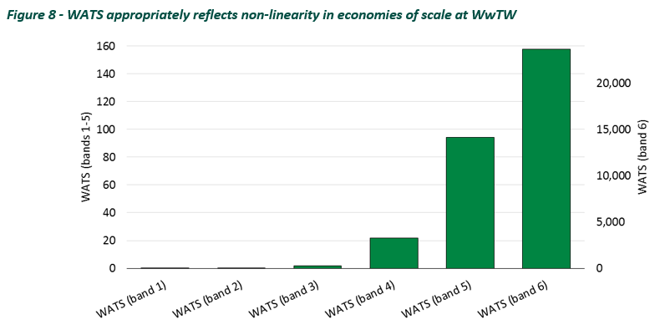
 | 4. Cost models for wastewater network plus activities | Q4.3 | Do you agree with our approach to modelling population density? Which of the three explanatory variables do you support? a. Weighted average density – LAD from MSOA b. Weighted average density - MSOA c. Properties per sewer length | Agree | 4.3.1 As we said in our response to question 3.3, we consider there may be value in triangulating across a diverse set of cost drivers. However, similar to our response to question 3.3, we would prefer to focus cost assessment upon WAD measures because they are entirely exogenous. 4.3.2 We strongly support Ofwat’s assumption of a linear relationship between population density and sewage collection costs as we discuss in our response to question 4.4.
 | 4. Cost models for wastewater network plus activities | Q4.4 | Do you agree with our proposal to assume a linear relationship between population density and sewage collection base costs? | Strongly Agree | 4.4.1 Yes. Engineering and operational rationale dictates that the nature of the relationship between costs and density across water and wastewater networks is very different for two reasons: (1) Many rural areas are not connected to a wastewater network and instead use septic tanks to collect and dispose of sewage. This means network costs in such areas will be minimal. In contrast, these rural areas will still require connection to the water network. (2) Unlike water, wastewater networks are designed to be passive (moreso than water networks) and generally use gravity to flow to wastewater treatment works. This means much less monitoring and intervention is required in rural areas - for example, because a lower population results in less blockages that require clearing. In contrast, rural water networks require intervention, to fix leaks and maintain pressure for example
 | 4. Cost models for wastewater network plus activities | Q4.5 | Do you agree with the inclusion of urban rainfall in our sewage collection and wastewater network plus models? | Strongly Agree | 4.5.1 UUW strongly supports the recognition of urban rainfall within the regulatory framework. Our extensive work in this area has revealed the detrimental impact that urban rainfall has on performance and cost. Importantly, this work highlighted that the effect of urban rainfall must be considered alongside the effect of combined sewers. This is because engineering rationale dictates that these two factors have a compounding relationship on performance and costs e.g. because high levels of rainfall will have a stronger impact in areas with a high prevalence of combined sewers because there is less headroom within the wastewater network relative to an area with a separate system. 4.5.2 In a Future Ideas Lab publication , we proposed a performance modelling approach that adjusted performance targets to ensure that companies operating in different regions face an equivalently stretching incentive. This approach seeks to ensure that the performance target reflected the pressures placed upon companies by exogenous factors like: • urban rainfall – urban rainfall dictates the volumes of water being collected into wastewater systems. High volumes can lead to hydraulic incapacity; • combined sewers – combined sewers tend to run closer to capacity more of the time. This means that blockages can have a more detrimental and immediate effect and that high volumes of urban rainfall can quickly lead to hydraulic incapacity, relative to a separate system; and • food service establishment density – this impacts on the build up of fats, oils and greases, which increase the risk of sewer blockages. 4.5.3 In isoloation, each of these can have a significant impact on the risk of sewer flooding, and on costs. However, in combination, these factors can lead to a significantly increased risk of flooding. 4.5.4 In our view, adjusting the performance targets represents the most appropriate outcome for customers. The scale of investment that would be required to move UUW towards Ofwat’s
 | 4. Cost models for wastewater network plus activities | Q4.6 | Do you agree with our approach to capturing sewage treatment complexity in our proposed wastewater network plus base cost models? What are you views on our proposed options to account for additional ongoing cost associated with P-removal? a. Models with a P-driver (eg percentage of load with a P-permit <= 0.5mg/l) fixed at the 2024/25 level. b. A post-modelling adjustment that funds efficient ongoing opex associated with P-removal using data provided by companies in APRs. c. Cost adjustment claims. | Agree | 4.6.1 We agree that P-removal ongoing opex will require a specific adjustment, and we intend to submit a related cost adjustment claim. 4.6.2 In its consultation, Ofwat notes that: “…The additional ongoing cost associated with more stringent phosphorus removal programmes across the sector may not be fully captured in our proposed base cost models”. Our business plan development has identified that ongoing opex relating to P-removal in AMP8 will be materially largely than in previous AMPs. We support the exploration of potential ways to recognise this incremental pressure in cost assessment. 4.6.3 Whichever approach is ultimately chosen, it will be important for cost assessment to appropriately recognise the alternative ways companies can meet stringent P-removal consents. In some cases, it may be more efficient for companies to adopt a chemical solution and dose wastewater with ferric sulphate. In other cases, a biological solution would be more appropriate. These solutions are equally legitimate but have different cost profiles – chemical solutions are associated with higher opex and biological solutions are associated with higher capex. It will be important for cost assessment to ensure that companies are incentivised to adopt the most efficient long-term solution. 4.6.4 Of the three options suggested by Ofwat, we would not support an attempt to consider models with a P-driver at PR24. As Figure 9 illustrates, AMP7 P-removal schemes will complete towards the end of AMP7 meaning the associated higher opex will not be sufficiently reflected in the historical dataset. This would result in an unrealistically low benchmark. It may be more appropriate to consider this option for PR29. 4.6.5 We consider the remaining two options (use APR data to identify efficient ongoing opex and cost adjustment) to be appropriate ways to reflect P removal ongoing opex at PR24. We are currently preparing a cost adjustment claim relating to ongoing P removal opex; we note that such cost |  | 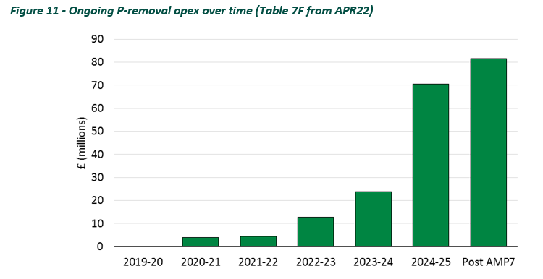
 | 4. Cost models for wastewater network plus activities | Q4.7 | Do you agree with Southern Water's proposal to include the percentage of population living in coastal areas in sewage treatment models? | Disagree | 4.7.1 UUW serves a region with a long coastline and a significant coastal population and we have assets located in close proximity to the coast as a result. We do agree with Southern that proximity to the coast can drive certain costs. For example, we have noticed a tendency for sewers near to the coast to fill with sand and therefore require more regular maintenance. 4.7.2 However, our past work in this area has suggested that the difference in ongoing base costs relating to coastal proximity (e.g. saline erosion), relative to managing inland populations, tend to be not material at a company level. For example, UUW has previously examined the effect of proximity to the coast on large WwTW operating expenditure using the large works dataset. We did not find that coastal proximity was a significant cost driver . In general, we have never considered the higher costs associated with coastal proximity to meet the materiality threshold for a cost adjustment claim. 4.7.3 We do note that coastal proximity can drive resilience costs, for example through the need to protect critical assets from coastal erosion. However, UUW views such expenditure as enhancement and as such we consider it is better dealt with via enhancement cost assessment. 4.7.4 We also have some concerns about the specification of Southern Water’s variable. We would reasonably expect a deterioration of efficiency scores for companies with little or no coastal populations when a coastal variable is added (assuming the coefficient is of an intuitive sign) . However as Table 1 shows, the movement in efficiency scores does not appear to consistently reflect Southern’s underlying cost driver. For example, one company with no coastline (Thames) sees an improvement in efficiency scores 4.7.5 This appears to be driven by a collinearity within the model, likely between the scale driver and the coastal population variable. As Table 2 shows, the inclusion of the coastal population variable causes the size of the scal |  | 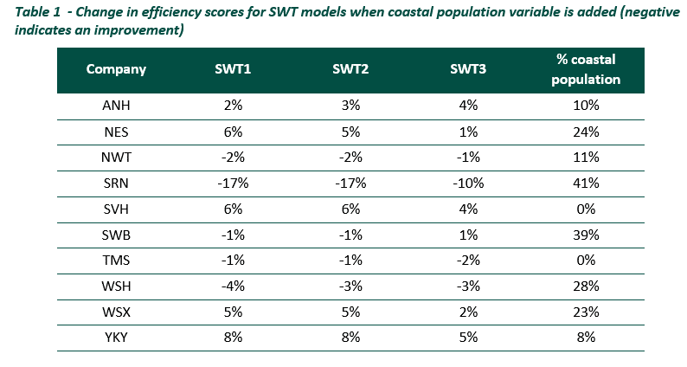
 | 5. Cost models for bioresources activities | Q5.1 | Do you agree with our proposed set of bioresources cost models? | Disagree | 5.1.1 We consider that the cost drivers chosen by Ofwat are supported by engineering, operational and economic rationale, although we consider that some salient drivers of bioresources costs have been excluded. We are not confident that Ofwat’s proposed approach is capable of reflecting the cost pressures bioresources will face in future. Furthermore, we note the poor performance of bioresources models, relative to other business units. In our view, this could be explained by the lack of recognition given to legitimate cost drivers and to the different asset configuration adopted across the industry. 5.1.2 We strongly consider that the continued poor performance of bioresources models means that Ofwat should ensure that the overall cost assessment framework does not mistakenly impose unachievable stretch on companies by placing inappropriate weight on the modelled results alone. Bioresources is subject to increasingly stringent environmental regulations and there is a risk that placing too much weight on a backwards-looking benchmarking exercise will result in unobtainable cost targets that are not reflective of forward-looking requirements. Define the services provided 5.1.3 We do not consider that Ofwat’s models appropriately reflect the way bioresources services are provided across the industry. In particular, some companies provide an equivalent service in a different price control e.g. sludge thickening can be carried out in either wastewater network plus or in bioresources, depending upon a company’s asset configuration across the bioresources boundary line. 5.1.4 We have previously drawn attention to this issue on several occasions. However, the consultation suggests that Ofwat remains confident that its models appropriately reflect asset configuration differences, such that a bioresources-specific efficiency challenge is appropriate. We remain concerned that no evidence has been provided to support this position. We consider that bioresources models will co |  | 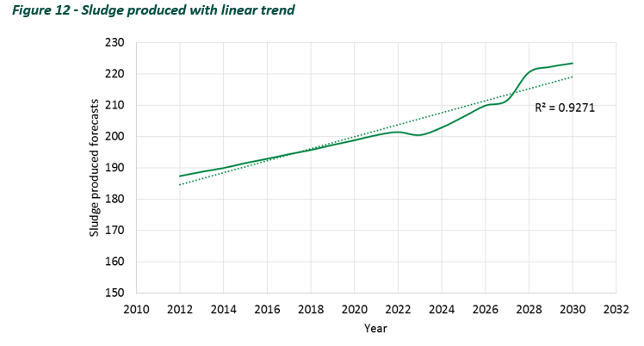 |  | 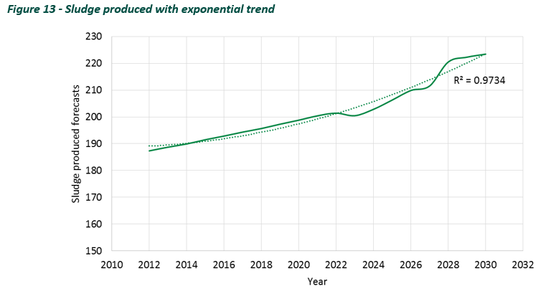 | 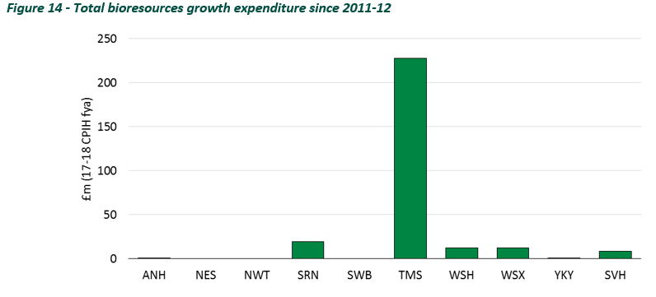 | 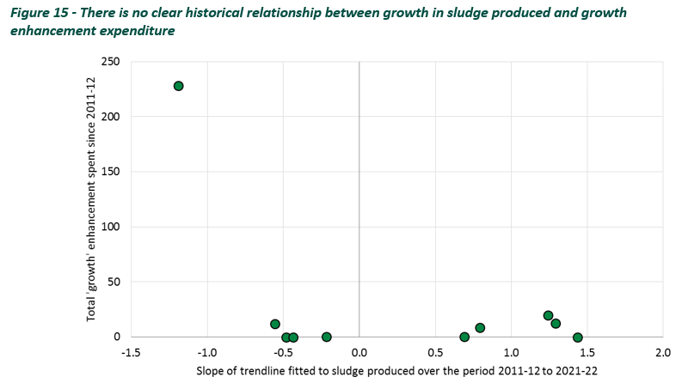
 | 5. Cost models for bioresources activities | Q5.2 | Do you agree we should use unit cost models to assess bioresources expenditure? | Neither agree nor disagree- N/A | 5.2.1 We note that this model specification imposes a constant returns to scale assumption at the company level. We consider that this could be appropriate if economies of scale were thought to exist at an asset level. Indeed, Vivid Economics found this to be the case. Therefore, this move can be justified on theoretical grounds. 5.2.2 Ofwat also reports that a company-level economies of scale driver is insignificant when included in these unit cost specifications: “The estimated coefficient on sludge produced in the unit cost models was not statistically significant.” This suggests that there is statistical evidence that supports the theoretical basis for unit cost models. 5.2.3 As we said in our response to question 3.3, we consider there may be value in triangulating across a diverse set of cost drivers and models. Therefore, there may be some benefit in including both unit cost model specifications and total cost model specifications in the final model suite.
 | 6. Cost models for residential retail activities | Q6.1 | Do you agree with our proposed set of residential retail cost models? | Strongly Agree | 6.1.1 UUW strongly supports Ofwat’s proposed set of residential retail cost models. It aligns well with UUW’s principles of regulatory cost assessment, as set out in our Future Ideas Lab paper . Define the services provided 6.1.2 Ofwat utilises a bottom-up and top-down modelling approach. The use of ‘bad debt’ and ‘other cost’ models allows the benchmark to be informed by more granular understanding of cost drivers in each of these service areas. This should result in a more robust and realistic outcome as a result. Prioritise engineering, operational and economic rationale 6.1.3 Ofwat’s set of cost drivers are aligned to operational and economic rationale (engineering rationale is less relevant for residential retail): • We consider a constant returns to scale assumption to be appropriate in residential retail. Companies are able to engage in activities to benefit from economies of scale e.g. through joint ventures and joint billing arrangements . For this reason, we agree with Ofwat that a low r-squared is not problematic; it occurs as a direct result of Ofwat’s legitimate specification of the dependent variable. • A larger company bill means more revenue is at risk if a customer defaults, which will lead to higher bad debt costs all else equal. We strongly support the continued inclusion of bill size as an explanatory variable. • Areas of high deprivation are associated with higher default risk. Deprivation is a well-established and widely accepted driver of bad debt costs, which accounts for almost half of all residential retail costs. We strongly support the inclusion of deprivation as a cost driver. • Companies with a larger number of dual service customers can reasonably expect a higher volume of customer contacts. We support the continued inclusion of a dual service cost driver. • Covid-19 had a significant impact on retail operations. It is correct for Ofwat to control for its impact within the cost model estimation process. We consider that Ofwat’s use of
 | 6. Cost models for residential retail activities | Q6.2 | Do you agree with our approach to modelling deprivation, and/or have any views on the selected variables? | Agree | 6.2.1 Deprivation is a key driver of retail costs and we strongly support its reflection within cost assessment. 6.2.2 We broadly agree with the way Ofwat has reflected deprivation in its model suite. We note that there are equally legitimate variables available, such as the credit risk index (RGC102). However, overall we support Ofwat’s choice of deprivation variables. 6.2.3 We also strongly support the use of ‘bottom-up’ cost aggregations such as the bad debt and other cost models. This should lead to a stronger relationship between costs and cost driver, which will result in a more robust and realistic benchmark.
 | 6. Cost models for residential retail activities | Q6.3 | Do you agree with the inclusion of Covid-19 dummy variables in the residential retail cost models? | Agree | 6.3.1 Covid-19 presents considerable challenges for retail cost assessment. The pressures created by the pandemic led companies to engage in a different mix of activities to that adopted in normal times. This could create inconsistencies in the historical dataset and so make it difficult for the model to estimate an appropriate relationship. In this sense, Covid-19 is a significant confounding factor. 6.3.2 Dummy variables are widely used in econometrics to control for confounding factors. We consider that Ofwat’s use of Covid-19 dummy variables is a pragmatic way to mitigate the risk that the benchmark is subject to bias and statistical noise. Our analysis of Ofwat’s retail models suggests that the inclusion of Covid-19 dummy variables improves the overall performance of the model suite. 6.3.3 However, it is important for the regulatory framework to recognise that companies did incur higher costs during this period. It would be inappropriate for pandemic-related risk to be borne entirely by water companies because such risk is entirely exogenous and the retail control does not benefit from cost sharing in the same way as other wholesale controls.
 | 6. Cost models for residential retail activities | Q6.4 | Do you agree with the removal of transience from the residential retail cost models? | Strongly Agree | 6.4.1 Transiency costs result from: (i) The opening and closing of accounts; and (ii) Unpaid bad debt left behind by the previous account holder. 6.4.2 The process of opening and closing accounts is a small proportion of total cost for a modern, efficient retailer. 6.4.3 Unpaid bad debt associated with closed accounts is a more material and exogenous cost driver. However, we consider the primary cost driver to be deprivation i.e. customers in more deprived areas are more likely to leave behind bad debt when closing an account. UUW analysis of internal data has found that transiency has an immaterial effect on bad debt costs once deprivation is taken into account. 6.4.4 The weakness of the effect also seems to suggest why transiency is unstable in company level models of retail cost. For example, at PR19 Economic Insight found that 24% of transiency coefficients were negative across its ‘model suite A’, while 43% were negative across its ‘model suite B’, which is an unintuitive result. We continue to find that transiency has an immaterial and inconsistent effect on retail costs. 6.4.5 In UUW’s view, the use of a deprivation driver is sufficient to ensure that the benchmark appropriately reflects any cost pressure relating to population transiency.
 | 6. Cost models for residential retail activities | Q6.5 | Do you agree with the removal of 'proportion of metered customers' from the residential retail cost models? | Strongly Agree | 6.5.1 Companies are increasingly able to mitigate meter reading related costs. For example, in some areas UUW uses AMR technology to get weekly customer meter readings through sensors attached to waste collection vehicles. As smart meters become increasingly prevalent, we expect that ‘traditional’ meter reading costs will become increasingly immaterial. 6.5.2 We also consider that removing ‘proportion of metered customers’ from the model suite aligns with good incentive properties because it encourages companies to adopt the cheapest meter reading technology - smart meters. In turn, smart meters help customers to keep track of usage and mitigate any affordability issues, which in turn could have a positive impact on bad debt costs. 6.5.3 We expect to observe a material shift in AMP8 towards smart meters. As such, it doesn’t make intuitive sense to maintain a cost driver within the model suite that is not reflective of future circumstances. We strongly support its removal from cost assessment.

